Questions
Groundwater Velocity Questions
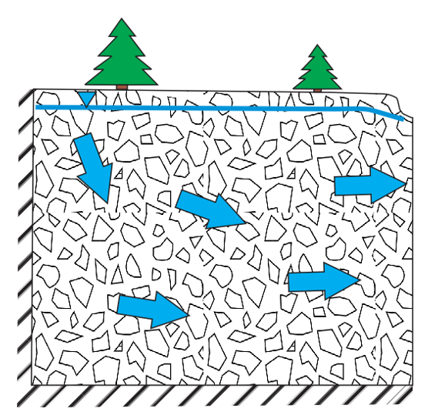

Iterations may slow performance on some computers. If so, turn iterations off. Note iterations must be on for Exercise 4.

Exercise 1
Open the spreadsheet “GWP_Velocity_Exercises.xlsm” and click on the tab for 'Exercise 1'. Consider the simplified porous medium shown. Just as aquifers composed of sediment grains are imperfectly packed, this cartoon displays empty spaces between the grains (blue in Figure Exercise 1a). In the spreadsheet, drag the individual grains from the 'real' porous medium to the empty vessel illustrated in Figure Exercise 1‑1. Stack the grains with no space between them (that is, finish the process started in Figure Exercise 1‑1c). Assume that the area of each grain is 4 square units.
What is the fraction of open space to total space, i.e., the total porosity, in the porous medium?
1)

 | a) |  | b) | c)
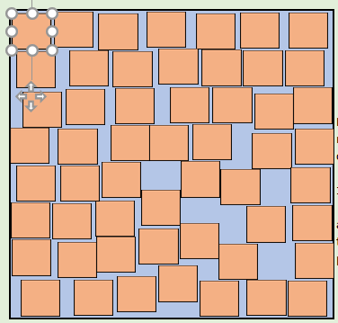

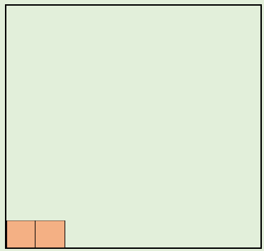

Figure Exercise 1‑1 ‑ a) Imperfectly packed grains of an aquifer sample are to be moved into panel b) the total space of the sample so that in c) they are stacked in a closely packed arrangement.
* The solution for Exercise 1-1 begins on row 6 of the Solutions Tab of KeyFile_GWP_Velocity_Exercises.xlsm*

Now, scroll down in the spreadsheet to look at the porous medium with ovate grains. on row 24. Each of these grains has the same area as the square grains in question 1 of Exercise Set 1.
What is the total porosity for this medium? Justify your answer on a purely qualitative argument (no calculations).
Ovate grains can isolate pockets of the 'aquifer' space - i.e., pores. Count the number of isolated pores. For the purposes of this exercise, allow single isolated pores or pairs of pores in isolation to constitute 'dead end' pores. Three or more connected pores do not represent dead-ends. It might help the process to color the dead end pores (Figure 4).
Assuming each pore has an area of 1 square unit, subtract the area of dead-end pores from the total open space area and recalculate the porosity.
This recalculated porosity is called the effective porosity since it represents the porosity capable to transmitting water.
2)

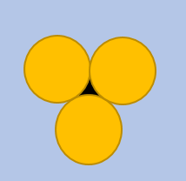

Figure Exercise 1‑2 ‑ Example of coloring in a closed pore.

* The solution for Exercise 1-2 begins on row 27 of the Solutions Tab of KeyFile_GWP_Velocity_Exercises.xlsm*.

Scroll further down the spreadsheet and consider the porous medium with two sizes of ovate grains. Drag all of the small grains (1 square unit each) and place them in the spaces between the large grains (4 square units each) in the neighboring 'aquifer'. This is analogous to making the medium less well sorted.
Recalculate the total and effective porosities with the small grains added to the porous medium. Compare both with the answers obtained in (1) and (2) and explain the reasons for any differences.
3)

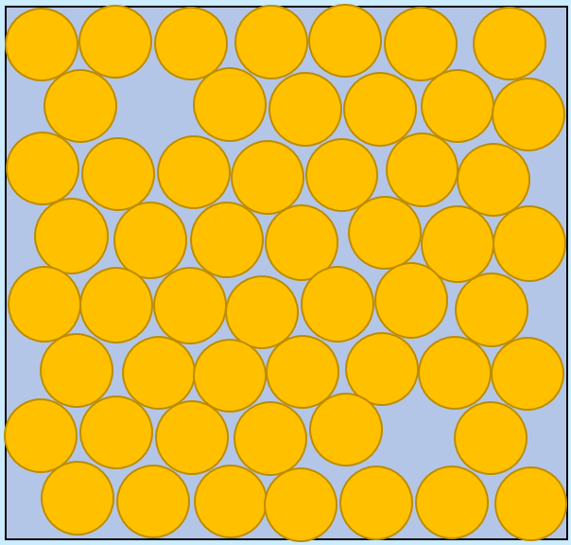

Figure Exercise 1‑3 – Drag the small grains into the sample to fill in pores between the larger grains and color in pores that are disconnected from the other pores.

* The solution for Exercise 1-3 begins on row 48 of the Solutions Tab of KeyFile_GWP_Velocity_Exercises.xlsm*.

Exercise 2

Consider the conceptualized diagram of an aquifer to the right (shown in Figure Exercise 2‑1. A lucky hydrogeologist placed two wells in the ground at this site and somehow aligned them perfectly with the flow direction. As a result, these two wells are all that are needed to estimate the Darcy flux and seepage velocity in the aquifer.
Figure Exercise 2‑1 ‑ A lucky hydrogeologist placed two wells in the ground at this site that are aligned perfectly with the flow direction.
Open the spreadsheet “GWP_Velocity_Exercises.xlsm” and click on the tab for 'Exercise 2'. Note that the wells are 20 m apart (Δℓ) with a difference in water levels between them of 0.02 m (ΔH). Prior work in the wells led to an estimate of K = 20 m/d for the aquifer. The sediments are dominantly sand, and the effective porosity (n_{e}) is estimated to be 0.28.
Given the equations for Darcy flux and seepage velocity given on the Exercise 2 sheet, calculate these quantities in the space provided on the sheet.
* The solution for Exercise 2‑1 begins on row 71 of the Solutions Tab of KeyFile_GWP_Velocity_Exercises.xlsm*.
1)

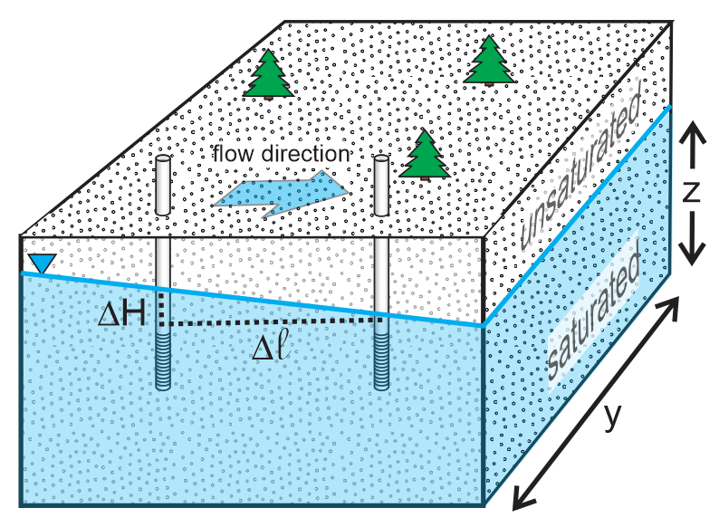

Scroll down to row 31 and consider the conceptualized diagram of an aquifer as shown in Figure Exercise 2‑2. In this case a more experienced hydrogeologist placed three wells in the ground, confident that no matter what the flow direction, it could be determined, so no luck would be required.
a) b)
Figure Exercise 2‑2 – A conceptualized diagram of an aquifer with a) three wells used to investigate the site in order to estimate both the direction of flow and the velocity; and, b) a map showing the relative positions of the wells and the water level elevation in each well.
The scales (arbitrary units) provided on the map of Figure Exercise 2‑2b and in the Exercise 2 tab of the “GWP_Velocity_Exercises.xlsm” spreadsheet can be used to determine the distance between the wells.
Prior work in the wells led to an estimate of K of 20 m/d for the aquifer. The sediments are dominantly sand, and the effective porosity (n_{e}) is estimated to be 0.28.
Use graphical construction to determine the flow direction, relative to North (north is aligned with the positive direction of the y-axis), and the hydraulic gradient by interpolating to find the location of 9.8 between the north and east well, drawing a line from that point to the west well and constructing a perpendicular to that line from the north well.
Given the equations for Darcy flux and seepage velocity provided on the Exercise 2 sheet, calculate these quantities for the system of Figure Exercise 2‑2 in the space provided on the sheet.
* The graphical solution for Exercise 2‑2 extends from row 97 to row 114 of the Solutions Tab of KeyFile_GWP_Velocity_Exercises.xlsm*
The item 3 below describes a mathematical versus graphical approach to solving a three-point problem.
2)

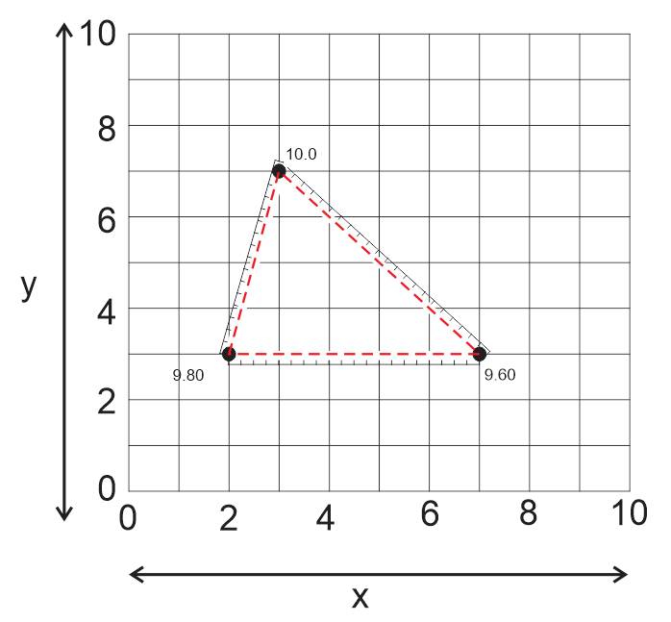

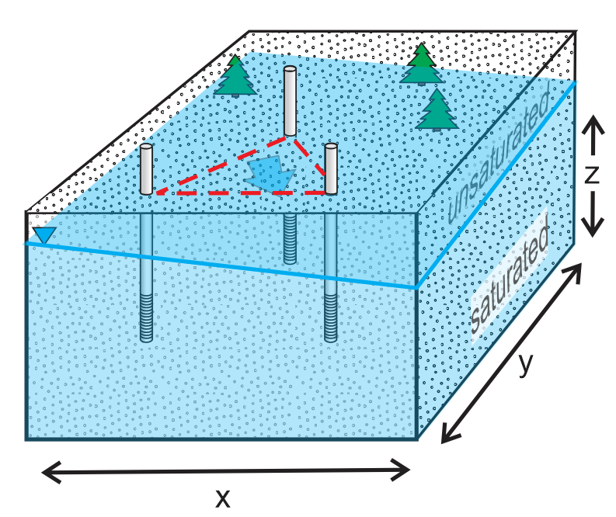

There are several ways to solve the three‑point problem, but one way that lends itself to finding the gradient (and its direction) of a water table with three wells, or more, involves matrix algebra as shown in Figure Exercise 2‑3.
Figure Exercise 2‑3 Use of matrix algebra for solving a three-point problem to find the magnitude and direction of the hydraulic gradient of a water table with three, or more, wells.
Open the spreadsheet “GWP_Velocity_Exercises.xlsm” and click on the tab for 'Exercise 2' and fill in the table starting near row 69 to verify the graphical solution you obtained for Exercise Set 2, #2.
Given the equations for Darcy flux and seepage velocity given on the Exercise 2 sheet, calculate these quantities in the space provided on the sheet.
* The solution for Exercise 2‑3 extends from row 116 to row 164 of the Solutions Tab of KeyFile_GWP_Velocity_Exercises.xlsm*
3)

Exercise 3

Click on the Exercise 3 tab in the “GWP_Velocity_Exercises.xlsm” spreadsheet and look over the interwell tracer test model domain (area in green) as shown in Figure Exercise 3‑1. The dispersivities are set to 0.1 m in the flow direction and 0.01 m in the transverse direction. Above the model domain, the area shaded blue contains three input variables
1) the seepage velocity in m/d
2) the tracer pulse dimension (centered on the injection well) in the flow direction
3) the tracer pulse dimension (centered on the injection well) transverse to flow
Figure Exercise 3‑1 ‑ Model domain and parameters for Exercise Set 3‑1
This plume is calculated on a two-dimensional plane assuming a unit thickness in the third dimension (into the page) with uniform conditions throughout the model in that direction.
Three control buttons are provided:
1) 'Reset the time' button that resets the model to initial conditions, at time = 0 days immediately after the tracer is injected.
2) 'Start the test' button to start the clock (and flow) in the test.
3) 'Stop Execution' button suspends the simulation. Once this button is depressed, the test cannot be resumed. A new test must be started by once again pressing the reset button and then the start button.
Beneath the domain is a clock, with bold writing and an orange background. The clock reports the time in days since injection.
To the right of the model domain are two graphs. The upper one shows the concentration of tracer along a line that runs left to right through the middle of the plume at each instant in time. This is a 'profile of the pulse' as shown in Figure Exercise 3‑1a. The red dashed line in Figure Exercise 3‑1a shows the location of the well on the centerline of the plume. The other graph shows the history of tracer in each of two wells located 10 m from the injection well. One well is on the centerline and the other is off to the side. These graphs of concentration versus time are known as 'breakthrough curves' as shown in Figure Exercise 3‑1b.
a) b)
Figure Exercise 3‑2 – a) Concentration of tracer along the centerline of the plume at each instant in time which is a 'profile of the pulse' with the red dashed line showing the location of the well. b) Breakthrough curves of concentration in each of two wells located 10 m from the injection well.
Starting an interwell tracer test:
The first time the sheet is accessed, the entry for velocity in the input (blue) area will be blank. This is the correct condition to start a test in which the user must determine a velocity chosen by the sheet. At the end of the test, after the user has pushed the 'stop execution' button, the user's estimate of v can be typed into cell O29 and the sheet will report either "Success!" or "Please try again".
If the user wishes to see a test with a particular velocity, then the user-entered value can be typed into cell C5 and the model will run with that input.
To start a test, press "Reset the Time" followed by "Start the test". The tracer will begin its journey from the injection well to the monitoring wells.
Enter a velocity of 1 m/d into C5 and run a simulation. How many days pass before the peak of the tracer pulse reaches the monitor on the centerline?
* The solution for Exercise 3‑1 extends from row 169 to row 186 of the Solutions Tab of KeyFile_GWP_Velocity_Exercises.xlsm*
check location

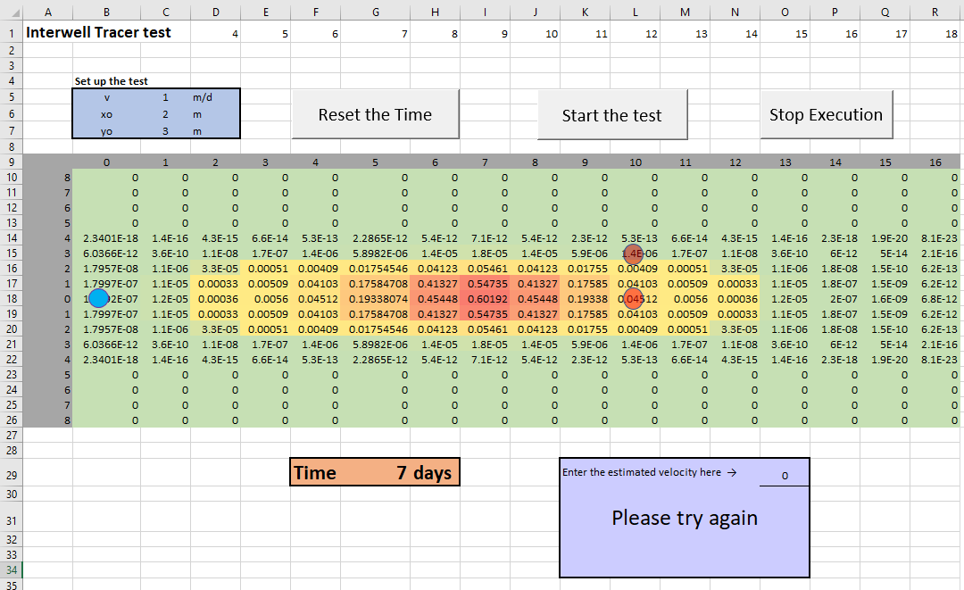

 |  |  |  |  |  |  | Figure 8 |  |  |  | Figure 9

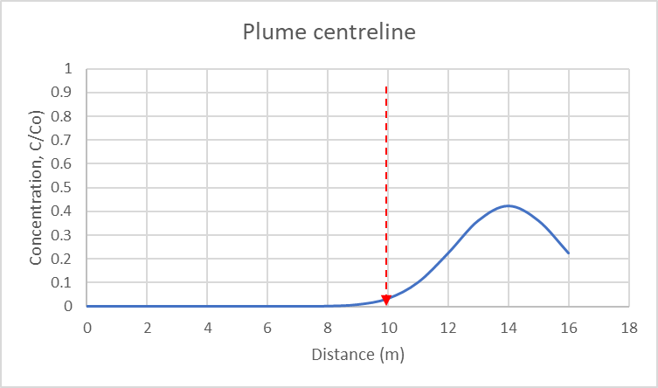
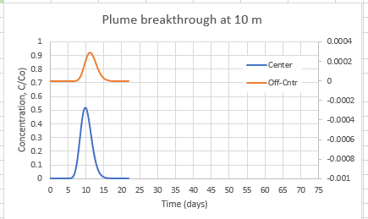

1)

Delete the entry in C5 so the velocity input appears to be blank. Reset the time and start the test again.
This time note the time required for the tracer pulse peak to reach the monitor 10 m away and calculate the groundwater velocity. Enter this value in O29 and determine whether or not your answer is correct.
* The solution for Exercise 3‑2 extends from row 187 to row 205 of the Solutions Tab of KeyFile_GWP_Velocity_Exercises.xlsm*.
2)

In Exercise 3‑2, the velocity was estimated from the arrival time of the peak. Is this the best part of the curve to use?
Run tests with input shown at right and repeat tests for x_{o} = 2,4, and 6 m. Note the arrival time of C = 0.1, C= 0.5 (relative to the maximum concentration that crosses the monitor on the centerline), and the peak and calculate the apparent velocity from each. Which one is closest to the correct value of 1? Explain what is happening here.
Figure Exercise 3‑2 ‑ Input for the model when undertaking Exercise 3‑2.
* The solution for Exercise 3‑3 extends from row 206 to row 226 of the Solutions Tab of KeyFile_GWP_Velocity_Exercises.xlsm*
3)

If you ran an interwell tracer test with your monitor not on the centerline, would the velocity estimate be accurate?
Answer this using the breakthrough curve graphs. Run several tests with the input y_{o} varying between 1 m and 8 m and record the velocity determined from each monitor. Type a velocity of 1 m into the v input cell (cell C5) and leave x_{o} at 2 m. Run all simulations with this velocity value fixed. Under what conditions are the estimates in best agreement? Worst?
*The solution for Exercise 3‑4 extends from row 230 to row 248 of the Solutions Tab of KeyFile_GWP_Velocity_Exercises.xlsm*
4)

Exercise 4

Click on the Exercise 4 tab in the “GWP_Velocity_Exercises.xlsm” spreadsheet and look over the interface. There are two areas where the user can input parameter values. In the range B4 to C9 is a table where the user can input the x and y coordinates for 5 wells (Figure Exercise 4‑1a). These wells will be sampled for water levels ‑ taken from the flow model automatically ‑ and subjected to point velocity determinations, also automatically done by the sheet when prompted by the user.
The second place for user input is in the range Q3 to R11. Here the user specifies aspects of the flow model (Figure Exercise 4‑1b).
a) b)
Figure Exercise 4‑1 ‑ Areas of the “GWP_Velocity_Exercises.xlsm” spreadsheet where the user can vary parameter values of the model.
a) Well location coordinates. b) Dispersivities, effective porosity, hydraulic conductivities, and time.
where,
dx = the space between nodes (spreadsheet cells) in the model going left to right
dy = the space between nodes (spreadsheet cells) in the model going up to down
n_{e} = the effective porosity
Khigh = the hydraulic conductivity of the most permeable sediments
Kmid and Klow = available to advanced users, but not active in the default settings
Kgeom = the geometric mean of the hydraulic conductivity in the model domain
time = the time interval used to calculate the velocity vector lengths
Figure Exercise 4‑1b lists the default values of these input parameters. to be used for the exercises below.

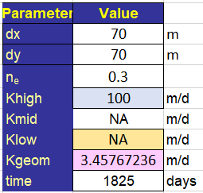
 |  |  |  |  |  |  |  |  | Figure 10

The calculations performed automatically on this sheet are initiated by clicking on the buttons shown in Figure Exercise 4‑1a. The Porous Medium 1 and Porous Medium 2 buttons enter two pre-set hydraulic conductivity distributions into the model. These two media will be used in the exercises that follow. Users can enter any custom K distribution by simply typing over the K entries in the range R32 to AF46.
The flow system analysis consists of 2 parts: 1) an analysis based on water levels in the 5 wells (Figure Exercise 4‑1a) and Darcy's Law, and 2) point velocity analysis. Both analyses begin by clicking on the Points Update button (Figure Exercise 4‑1a).
The userform that appears when Points Update is clicked allows users to manually enter well location coordinates. Alternatively, the Autofill option prompts the sheet to randomly select five locations for the wells and enter them into the input table (Figure Exercise 4‑1a).
A user form appears (Figure Exercise 4‑2a) when Points Update (Figure Exercise 4‑1a) is clicked allowing users to enter well location coordinates manually or automatically. The Autofill option prompts the sheet to randomly select five locations for the wells and enter them into the input table.Calculations begin with the selection of the Calc. Points button (Figure Exercise 4‑2a). If the Autofill option is selected, this entails the generation of the random 5 well locations, and the sampling of the flow model for the point velocities. Otherwise, the manually entered values appear in the Well Input (Figure Exercise 4‑1a). The output from this sampling is presented in a table (range B52 to F56, Figure Exercise 4‑2b) and a graph (Figure Exercise 4‑2c). The graph shows the well locations as orange circles and the direction of flow as blue lines. The lengths of the lines reflect the speed of the water (seepage velocity magnitude). The graph also shows the outcome of the Darcy analysis. This velocity speed and direction is indicated by a large pink circle and rose-colored arrow in the center of the graph.
a) b) c)
Figure Exercise 4‑2 – a) Input well locations. b) Velocity magnitude and direction at each well. c) Location of wells with velocity arrows and overall velocity.
If the user changes the input to the values shown in Figure Exercise 4‑1b, the Points Update button must be clicked again, followed by a click of the Calc. Points button to update the results.
A summary of the Darcy and point velocity analyses is presented in the range B29 to D42 (Figure Exercise 4‑3a). Selected model inputs are reviewed in the pink area. The results of the matrix analysis (calculated in columns J through O) and Darcy calculations are given in the green area and the point velocity analysis is summarized in the yellow area.

 |  |  |  |  |  | Figure 13

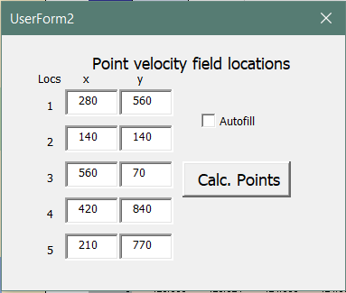
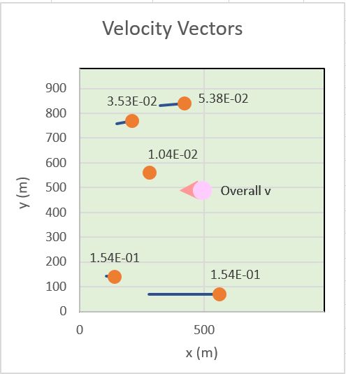
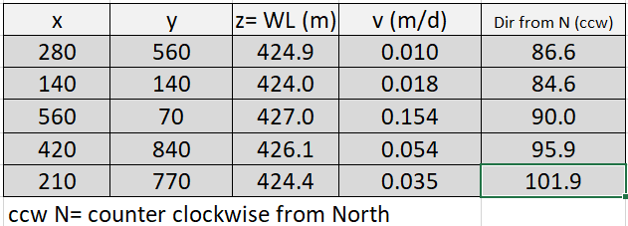

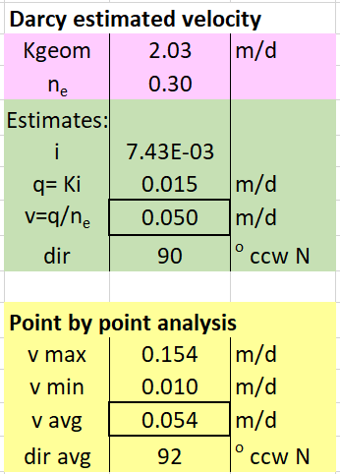
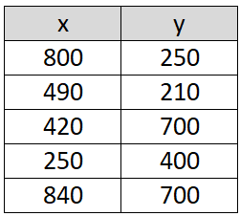
 |  | a) |  | b)

Figure Exercise 4‑3 ‑ Summary of a) the Darcy and point velocity analyses given b) the listed x-y locations of the wells.

Input the x, y coordinates shown in Figure Exercise 4‑3b to the input table into cells B5 to C9 of the Exercise 4 sheet. Make certain the default flow model parameters shown in Figure Exercise 4‑1b are correctly entered in range R4 to R11. Click on the Porous Medium 1 button to load that aquifer. Click the Points Update button again, then click the Calc. Points button to update the results.
Compare the Darcy estimate of seepage velocity to the average velocity determined from the point measurements. Compare both the magnitude and direction of average water movement. Next, comment on the range of water speeds and directions identified by the point measurements. Is this variability a concern? Explain why or why not.
* The solution for Exercise 4‑1 extends from row 253 to row 282 of the Solutions Tab of KeyFile_GWP_Velocity_Exercises.xlsm*.
1)

Load Porous Medium 2.
Repeat (1) and extend your answer by contrasting the importance of the velocity variability in the two scenarios and the implications for contaminant transport in these two aquifers.
* The solution for Exercise 4‑2 extends from row 284 to row 302 of the Solutions Tab of KeyFile_GWP_Velocity_Exercises.xlsm*
2)

For both Porous Medium 1 and Porous Medium 2, Autofill the well location table and fill in the 'Run 1' row in the tables provided in the spreadsheet (cells B71 to H71) based the output in range B29 to D42 in the Exercise 4 sheet (recall Figure Exercise 4‑3a). A table is provided from C64 to H68 where you can copy the calculated values for the appropriate run and use paste-special to paste as values into the table below on the appropriate run line. Repeat the Autofill process five times, generating 5 different well location scenarios to fully complete the table for each porous medium.
Investigators often do not know the details of subsurface structures before locating wells. Some well placements may provide representative information that permits reasonable risk assessments. Other well placements may not. Comment on the success or failure of the five well placements summarized after completing the table to the right in the ‘Questions’ sheet and the box and whisker plots provided immediately below (as completed in the 'Solutions' sheet X305 to AX356 for the data used there).
* The solution for Exercise 4‑3 extends from row 305 to row 356 of the Solutions Tab of KeyFile_GWP_Velocity_Exercises.xlsm*
3) |  |  |  |  | Porous Medium 1 |  |  |  |  |  |  | Porous Medium 2
 |  |  |  |  | Run | v Darcy | dir Darcy | v points | v max | dir points | max D angle | Run | v Darcy | dir Darcy | v points | v max | dir points | max D angle
 |  |  |  |  | 1 |  |  |  |  |  |  | 1
 |  |  |  |  | 2 |  |  |  |  |  |  | 2
 |  |  |  |  | 3 |  |  |  |  |  |  | 3
 |  |  |  |  | 4 |  |  |  |  |  |  | 4
 |  |  |  |  | 5 |  |  |  |  |  |  | 5
 |  |  |  |  | v avg | #DIV/0! | z-stat | #DIV/0! | #DIV/0! | #DIV/0! | #DIV/0! | v avg | #DIV/0! | z-stat | #DIV/0! | #DIV/0! | #DIV/0! | #DIV/0!
 |  |  |  |  | st dev | #DIV/0! |  | #DIV/0! | #DIV/0! | #DIV/0! | #DIV/0! | st dev | #DIV/0! |  | #DIV/0! | #DIV/0! | #DIV/0! | #DIV/0!
 |  |  |  |  |  |  |  | #DIV/0! | #DIV/0! | #DIV/0! | #DIV/0! |  |  |  | #DIV/0! | #DIV/0! | #DIV/0! | #DIV/0!
 |  |  |  |  | dir avg | #DIV/0! |  | #DIV/0! | #DIV/0! | #DIV/0! | #DIV/0! | dir avg | #DIV/0! |  | #DIV/0! | #DIV/0! | #DIV/0! | #DIV/0!
 |  |  |  |  | st dev | #DIV/0! |  | #DIV/0! | #DIV/0! | #DIV/0! | #DIV/0! | st dev | #DIV/0! |  | #DIV/0! | #DIV/0! | #DIV/0! | #DIV/0!
Note: the z-stat represents the number of standard deviations a point is away from the (Darcy) mean.
Note: the z-stat represents the number of standard deviations a point is away from the (Darcy) mean.

Comment on the role point velocity measurements might have in contaminant hydrogeological site investigations, based on the results of the simulations above.
* The solution for Exercise 4‑4 extends from row 358 to row 366 of the Solutions Tab of KeyFile_GWP_Velocity_Exercises.xlsm*
4)

Solutions
Exercise 1

 | The meaning of porosity and effective porosity

1)
Porosity

 |  |  |  |  |  |  |  |  |  | 1/3

 |  |  |  |  | Rearrange blocks so they have
 |  |  |  |  | no spaces between them and
 |  |  |  |  | calculate the fraction of open space

 |  |  |  |  | 1/3 open, 2/3 blocks

 |  |  |  |  | area open = |  | 108
 |  |  |  |  | total area = |  | 324
 |  |  |  |  | porosity= n = |  | 0.33333333333

2)
Grain shape

 |  |  |  |  | Each circle has the same area as the |  |  |  |  |  | total area = |  | 324
 |  |  |  |  | blocks above. There are the same |  |  |  |  |  | dead end area = |  | 17
 |  |  |  |  | number of circles as blocks. |  |  |  |  |  | % dead | 5%
 |  |  |  |  | What is the porosity? |  |  |  |  |  | n | 0.33
 |  |  |  |  | n = 1/3 = | 0.333 |  |  |  |  | ne | 0.31

3)
Sorting

 |  |  |  |  | Now let the sorting be less than |  |  |  |  |  | total cells | 324 | =18x18
 |  |  |  |  | perfect. Add 3 more blocks |  |  |  |  |  | dead ends | 23
 |  |  |  |  | but break each one up to 1/4 |  |  |  |  |  | % dead | 7%
 |  |  |  |  | its original diameter. |  |  |  |  |  | n | 0.30
 |  |  |  |  |  |  |  |  |  |  | ne | 0.28

 |  |  |  |  | New total area = |  | 324 |  |  |  | Less well sorted material has
 |  |  |  |  | New open area = |  | 96 |  |  |  | lower porosity and potentially
 |  |  |  |  | New porosity = |  | 0.30 |  |  |  | more dead end pores,
 |  |  |  |  |  |  |  |  |  |  | reducing the effective porosity.

Exercise 2

 | Calculate Darcy flux and seepage velocity
 |  |  |  |  | Input
1) |  |  |  |  |  | Variable | Amount | Unit
 |  |  | Conceptual model: |  |  | DH | 0.020 | m
 |  |  | 2 wells aligned with the flow direction |  |  | Dℓ | 20.00 | m
 |  |  |  |  |  | ne | 0.28
 |  |  |  |  |  | K | 20.000 | m/d

 |  |  |  |  | Relationships
 |  |  |  |  |  | Given Darcy's Law:
$$q=−K\frac{∆H}{∆ℓ}$$

 |  |  |  |  |  | and
$$v=\frac{q}{n_{e}}$$

 |  |  |  |  | Solution
 |  |  |  |  | Determine the Darcy flux and the seepage velocity

 |  |  |  |  | q= | 0.020 | m/d | 2.0 | cm/d
 |  |  |  |  | v= | 0.071 | m/d | 7.1 | cm/d

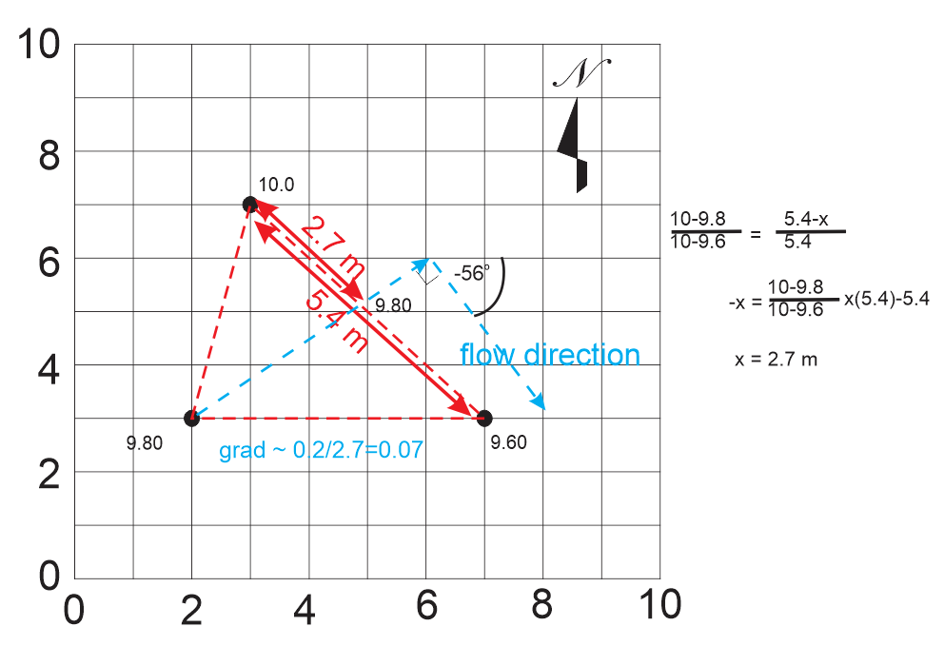

2)

Calculation of gradient magnitude and direction graphically and with matrices

Enter the coordinates and water levels
in the white spaces provided below.
x (m) | y (m) | z=WL (m) | D
2 | 3 | 9.8 | 1
3 | 7 | 10 | 1
7 | 3 | 9.6 | 1
 |  |  |  | dz/dx=a
ax+by+cz=D |  |  |  | dz/dy=b

 |  |  | 2x1 | 3x1
[A] | 3x3 |  | [x] | [WL]
2 | 3 | 9.8 | a | 1
3 | 7 | 10 | b | 1
7 | 3 | 9.6 | c | 1

Ax=D
{ATA}-1ATAx={ATA}-1ATD
x={ATA}-1ATD

AT | 3x3
2 | 3 | 7
3 | 7 | 3
9.8 | 10 | 9.6

ATA | 3x3
62 | 48 | 116.8
48 | 67 | 128.2
116.8 | 128.2 | 288.2

(ATA)-1 | 3x3
0.076367307897 | 0.03029439898 | -0.044425550005
0.03029439898 | 0.11229036029 | -0.062227654373
-0.044425550005 | -0.062227654373 | 0.0491550643

{ATA}-1ATD | (3x3)(3x3)(3x1) = (3x1)
0.0041237113402
-0.0061855670103
0.10309278351 |  |  |  |  | Determine east-west gradient trend
 |  |  |  |  |  |  | x | y
flow angle |  |  |  |  | zmax | 10 | 3 | 7
-1.0 | radians = | -56.310 | degrees |  | zmin | 9.6 | 7 | 3
assess north vs south flow |  |  |  | south | north or south: |  |  | south
assess east vs west flow |  |  | 1 | east | East or west: |  |  | east
flow angle |  | gradient |  |  | digital quadrant |  |  | 2
-1.0 | radians | 0.072
-56.3 | o from x | 213.7 | ccw o from north

Exercise 3

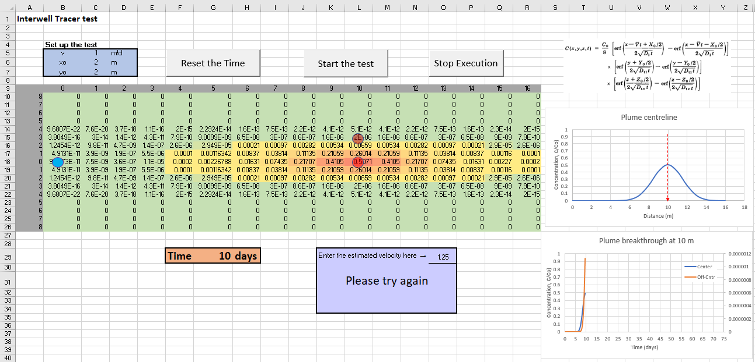
To start a test, press "Reset the Time" followed by "Start the test". The tracer will begin its journey from the injection well to the monitoring wells.
Enter a velocity of 1 m/d into C5 and run a simulation. How many days pass before the peak of the tracer pulse reaches the monitor on the centerline?
1)

The simulation shows that the tracer pulse reaches the monitor 10 m from the injection point in 10 days.

Delete the entry in C5 (arrow 1) so the velocity input appears to be blank. Reset the time and start the test again.
This time note the time required for the tracer pulse peak to reach the monitor 10 m away and calculate the groundwater velocity. Enter this value in O29 and determined whether or not your answer is correct.
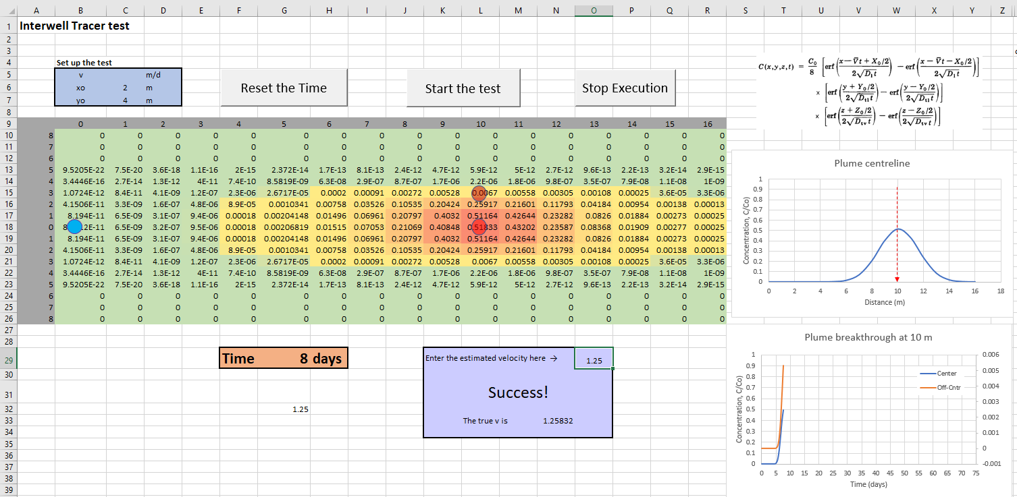
1
2)

2
Let the simulation run until the peak of the profile curve reaches the 10 m distance (arrow 2) and then click on "stop execution".
Divide the distance between the injection and monitoring wells (10 m) by the time required for the tracer peak to reach the monitor (8 days in this example). The estimated velocity in this case is 1.25 m/d. Type this answer into the reporting box (arrow 3) and the message will change from "Try again" to "Success".

3

In (2) the velocity was estimated from the arrival time of the peak. Is this the best part of the curve to use?
Run tests with input shown at right and repeat tests for xo = 2,4, and 6 m. Note the arrival time of C = 0.1, C= 0.5 (relative to the maximum concentration that crosses the monitor on the centerline), and the peak and calculate the apparent velocity from each. Which one is closest to the correct value of 1? Explain what is happening here.

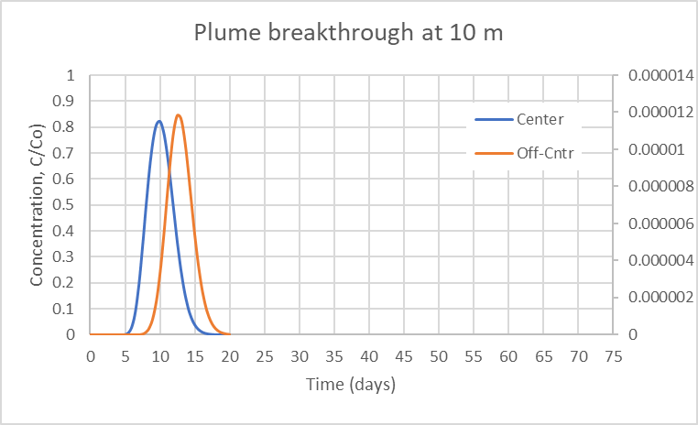
3) |  |  |  |  |  |  |  |  |  |  |  |  | t arrive | v | t arrive | v | t arrive | v
 |  |  |  |  |  |  |  |  |  |  | Run | xo | C = 0.1 | C = 0.1 | C = 0.5 | C = 0.5 | Peak | Peak
 |  |  |  |  |  |  |  |  |  |  | 1 | 2 | 7 | 1.43 | 8.5 | 1.18 | 10.00 | 1
 |  |  |  |  |  |  |  |  |  |  | 2 | 4 | 6.5 | 1.54 | 8 | 1.25 | 10.00 | 1
 |  |  |  |  |  |  |  |  |  |  | 3 | 6 | 5.5 | 1.82 | 7 | 1.43 | 10.00 | 1

The further out to the front of the pulse the velocity measurement is made, the greater the positive bias in the estimated velocity. This seems to result from:
1) the fact that increasing the value of xo creates the condition that the front of the plume begins each simulation at a distance less than 10 m from the monitoring well. The greater xo, the smaller the distance to the monitor. When the velocity is calculated the distance of 10 m is assumed and the bias is introduced.
2) dispersion moves the front edge of the plume faster than the groundwater velocity would predict.

If you ran an interwell tracer test with your monitor not on the centerline, would the velocity estimated be accurate?
Answer this using the breakthrough curve graphs. Run several tests with the input varying between 1 m and 8 m and record the velocity determined from each monitor. Type a velocity of 1 m/day into the v input cell (arrow 1 in Q1) and leave xo at 2 m. Run all simulations with this velocity value fixed. Under what conditions are the estimates in best agreement? Worst?
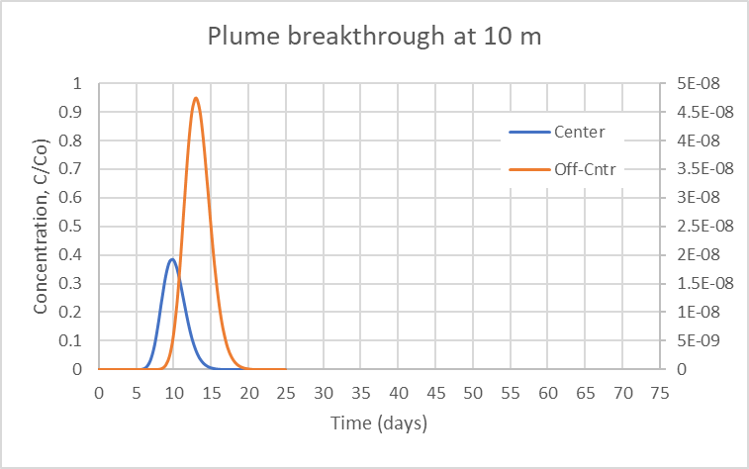
 |  |  |  |  |  |  |  |  |  |  |  |  | center |  | off c
4) |  |  |  |  |  |  |  |  |  |  | Run | yo | t to peak | v center | t to peak | v off c | % dif
 |  |  |  |  |  |  |  |  |  |  | 1 | 1 | 10 | 1 | 13 | 0.77 | -23%
Run 1
 |  |  |  |  |  |  |  |  |  |  | 2 | 2 | 10 | 1 | 12 | 0.83 | -17%
 |  |  |  |  |  |  |  |  |  |  | 3 | 3 | 10 | 1 | 11.5 | 0.87 | -13%
 |  |  |  |  |  |  |  |  |  |  | 4 | 4 | 10 | 1 | 10.5 | 0.95 | -5%
 |  |  |  |  |  |  |  |  |  |  | 5 | 5 | 10 | 1 | 10 | 1.00 | 0%
 |  |  |  |  |  |  |  |  |  |  | 6 | 6 | 10 | 1 | 10 | 1.00 | 0%
 |  |  |  |  |  |  |  |  |  |  | 7 | 7 | 10 | 1 | 10 | 1.00 | 0%
The estimated velocity is lower when the the monitor is nearer the outer edges of the tracer pulse. This apparent retardation led to a negative bias of 77% in the case of a tracer pulse 1 m wide. The effect disappeared when the pulse was increased to a width of 5 m, for a monitor located 3 m off the centerline of the pulse.
It is worth noting that the delays in peak arrival are not likely to be of practical significance in the most extreme cases because the concentrations at the extreme pulse edges where the effect is greatest are a tiny fraction of the input concentration. In the runs shown to right, the maximum bias is not likely to exceed about 20% (near the conditions of Run 3 where the edge concentrations were 3x10⁻⁴ of the maximum).
 |  |  |  |  |  |  |  |  |  |  | 8 | 8 | 10 | 1 | 10 | 1.00 | 0%
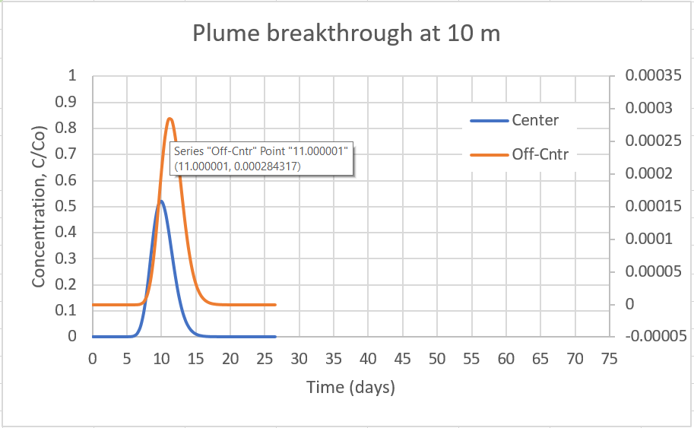
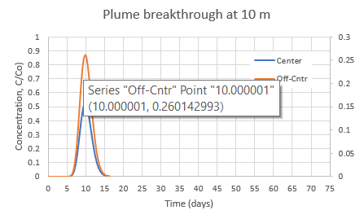
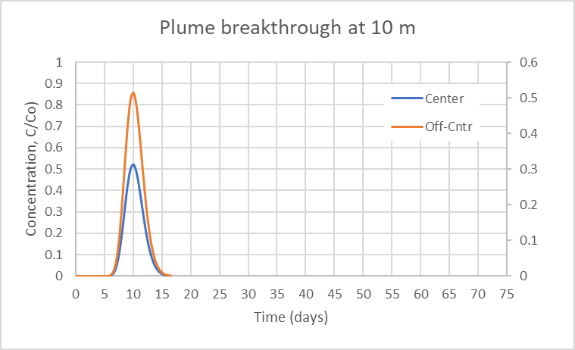

Run 5
Run 8

Run 3

Exercise 4

Copy the x, y coordinates shown at right to the input table (Figure 10) in the Exercise 4 sheet. Make certain the default flow model parameters shown in Figure 11 are correctly entered in range R4 to R11. Click on the Porous Medium 1 button to load that aquifer.
Compare the Darcy estimate of seepage velocity to the average velocity determined from the point measurements. Compare both the magnitude and direction of average water movement. Next, comment on the range of water speeds and directions identified by the point measurements. Is this variability a concern? Explain why or why not.
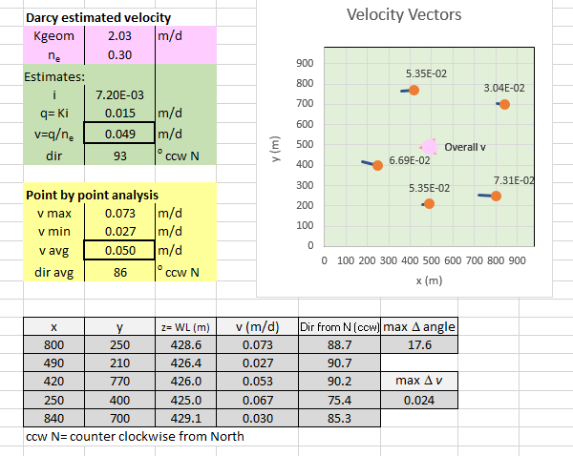
1)

The Darcy estimate is 0.049 m/d, which in this case is nearly identical to the 5 well point velocity average (0.05 m/d). However, the directions differ a little: the Darcy estimate has flow moving west (93º) and the 5 point measurements average to a direction of west-northwest (86º).
The 5 point measurements yielded v between 0.027 and 0.73 m/d, a difference of almost a factor of 3. Directions vary between 75º and 91º ccw from N. This degree of variability has the potential to be problematic for risk assessment or remediation design purposes. Concerns over residence times sufficient for treatment, or the interception of a plume by passive technologies may require better control to ensure success. Risk assessments could miss plume mass due to transport faster than expected or in a direction different than expected.

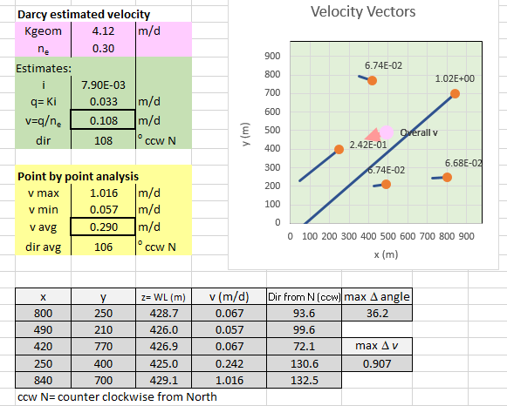

Load Porous Medium 2.
Repeat (1) and extend your answer by contrasting the importance of the velocity variability in the two scenarios and the implications for contaminant transport in these two aquifers.
2)

With porous medium 2 the Darcy estimate of velocity is 0.108 m/d, which is almost 3 times less than the 5 well point velocity average of 0.290 m/d. However, the directions average to nearly identical angles of 106º to 108º ccw from N.
The 5 point measurements yielded v between 0.057 and 1.016 m/d, a difference of over an order of magnitude. Directions vary between 72º and 132º ccw from N - a variation of nearly 60º. This degree of variability is easily of concern for the purposes of site characterization, risk assessment, and remediation design. The fact that these variations are caused by a prominent geologic feature in the domain supports this assertion. There is great potential for contaminants to be channeled to the southwest at speeds underpredicted by Darcy calculations.

Changing back to Porous Medium 1, Autofill the well location table and fill in the 'Run 1 ' row in the table to right using the output in range B29 to D42 (recall Figure 15). Repeat the Autofill process five times, generating 5 different well location scenarios to fully complete the table.
Investigators often do not know the details of subsurface structures before locating wells. Some well placements may provide representative information that permits reasonable risk assessments. Other well placements may not. Comment on the success or failure of the five well placements summarized after completing the table to the right in the ‘Questions’ sheet and the box and whisker plots provided immediately below (as completed in the 'Solutions' sheet X305 to AX356 for the data used there).
3)
 |  |  |  |  |  |  |  |  |  |  | Run | v Darcy | dir Darcy | v points | v max | dir points | max D angle
 |  |  |  |  |  |  |  |  |  |  | 1 | 0.048 | 85 | 0.047 | 0.078 | 82 | 12.4
 |  |  |  |  |  |  |  |  |  |  | 2 | 0.053 | 80 | 0.045 | 0.078 | 94 | 22.3
 |  |  |  |  |  |  |  |  |  |  | 3 | 0.053 | 95 | 0.067 | 0.104 | 91 | 4.9
 |  |  |  |  |  |  |  |  |  |  | 4 | 0.137 | 88 | 0.049 | 0.107 | 87 | 13.8
 |  |  |  |  |  |  |  |  |  |  | 5 | 0.048 | 97 | 0.041 | 0.049 | 89 | 22.4
 |  |  |  |  |  |  |  |  |  |  | v avg | 0.067850320491 | z stat | -0.53279616772 | 0.24915521876 | -1.0291467764 | 1.7785525507
 |  |  |  |  |  |  |  |  |  |  | st dev | 0.038979527288 |  | -0.57961620972 | 0.25868561357 | 0.69769407192 | 3.1902789636
 |  |  |  |  |  |  |  |  |  |  |  |  |  | -0.022829130717 | 0.9342156597 | 0.31826744233 | 0.6966549346
 |  |  |  |  |  |  |  |  |  |  | dir avg | 88.837038926 |  | -0.49479571928 | 1.0054214769 | -0.21449556352 | 1.9693498965
 |  |  |  |  |  |  |  |  |  |  | st dev | 6.9837728477 |  | -0.70085083236 | -0.48114281316 | 0.052688459731 | 3.2010490315
In this example, a relatively homogeneous site is characterized. Five realizations of the porous medium 1 system with the Darcy approach resulted in an average v of 0.07 m/d ± 0.04 m/d with flow 89º west of north ± 7º.
Point velocity measurements indicated a similar average flow direction to the Darcy analysis (89º west of north ± 5º). The groundwater speeds from the 5 wells never exceeded ±0.7 standard deviations from the Darcy mean v, strongly supporting the uniformity of the flow system. If the highest point v in each simulation is compared to the Darcy mean, differences only reached about 1 standard deviation.
Note: the z-stat represents the number of standard deviations a point is away from the (Darcy) mean.
 |  |  |  |  |  |  |  |  |  |  | v avg | 0.049678937544 | -0.46617761196
 |  |  |  |  |  |  |  |  |  |  | st dev | 0.010122577593

 |  |  |  |  |  |  |  |  |  |  | dir avg | 88.592617539 | -0.034998473191
 |  |  |  |  |  |  |  |  |  |  | st dev | 4.5392834281

Changing to Porous Medium 2, Autofill the well location table and fill in the Run 1 row in the table to right using the output in range B29 to D42 (recall Figure 15). Repeat the Autofill process five times, generating 5 different well location scenarios to fully complete the table.
Investigators often do not know the details of subsurface structures before locating wells. Some well placements may provide representative information that permits reasonable risk assessments. Other well placements may not. Comment on the success or failure of the five well placements summarized in the completed table to right.

 |  |  |  |  |  |  |  |  |  |  | Run | v Darcy | dir Darcy | v points | v max | dir points | max D angle
 |  |  |  |  |  |  |  |  |  |  | 1 | 0.191 | 105 | 0.067 | 0.126 | 93 | 42.8
 |  |  |  |  |  |  |  |  |  |  | 2 | 0.124 | 100 | 0.267 | 1.164 | 94 | 15.4
 |  |  |  |  |  |  |  |  |  |  | 3 | 0.119 | 109 | 0.079 | 0.094 | 92 | 39.3
 |  |  |  |  |  |  |  |  |  |  | 4 | 0.120 | 107 | 0.084 | 0.132 | 91 | 37.7
 |  |  |  |  |  |  |  |  |  |  | 5 | 0.098 | 99 | 0.338 | 1.088 | 108 | 46.9
 |  |  |  |  |  |  |  |  |  |  | v avg | 0.13033619248 | z stat | -1.8049857927 | -0.13384256614 | -2.4315242509 | 9.565615363
 |  |  |  |  |  |  |  |  |  |  | st dev | 0.035199284316 |  | 3.8725156784 | 29.373149737 | -2.2208619823 | 3.4513077603
 |  |  |  |  |  |  |  |  |  |  |  |  |  | -1.4710619588 | -1.0250631464 | -2.6639776011 | 8.7810805973
 |  |  |  |  |  |  |  |  |  |  | dir avg | 103.93455135 |  | -1.30266663 | 0.053771204032 | -2.8535480527 | 8.4350188355
In this example, a site characterization might be considered to have failed if it did not reveal the presence of a geologic feature that could strongly affect contaminant transport. Five realizations of the porous medium 2 system with the Darcy approach resulted in an average v of 0.13 m/d ± 0.04 m/d with flow 104º west of north ± 4º.
Point velocity measurements indicated a similar average flow direction to the Darcy analysis (96º west of north ± 7º). However, the groundwater speeds from the 5 wells were up to 29 standard deviations from the Darcy mean v, strongly suggesting the presence of a flow controlling subsurface feature. Maximum flow direction deviations from the Darcy estimate were between 3 and 10 standard deviations, further suggesting departures from simple homogeneity.
 |  |  |  |  |  |  |  |  |  |  | st dev | 4.4727762789 |  | 5.9008853268 | 27.192854073 | 0.89067475535 | 10.481895155
Note: the z-stat represents the number of standard deviations a point is away from the (Darcy) mean.
 |  |  |  |  |  |  |  |  |  |  | v avg | 0.16690604276 | 2.5412243083
 |  |  |  |  |  |  |  |  |  |  | st dev | 0.12634877225

 |  |  |  |  |  |  |  |  |  |  | dir avg | 95.633761007 | 0.97321637296
 |  |  |  |  |  |  |  |  |  |  | st dev | 6.9495575024

Comment on the role point velocity measurements might have in contaminant hydrogeological site investigations, based on the results of the simulations above.
4)

The trends identified above are suggestive but insufficient on the basis of only 5 simulations to draw general conclusions from. Nevertheless, this exercise shows that simple Darcy analysis of a site can miss important geological features that might be identified with single well tests. The variability of individual well tests could be a metric for subsurface complexity, helping to identify cases requiring further characterization.

Excercise2
1) Calculate Darcy flux and seepage velocity
 |  |  |  |  |  |  | Input
 |  |  |  |  |  |  |  | Variable | Amount | Unit
 |  | Conceptual model: |  |  |  |  |  | DH | -0.020 | m
 |  | 2 wells aligned with the flow direction |  |  |  |  |  | Dℓ | 20.00 | m
 |  |  |  |  |  |  |  | ne | 0.28
 |  |  |  |  |  |  |  | K | 20.000 | m/d

 |  |  |  |  |  |  | Relationships
 |  |  |  |  |  |  |  | Given Darcy's Law:
$$q=−K\frac{∆H}{∆ℓ}$$
$$q=−K\frac{∆H}{∆ℓ}$$

 |  |  |  |  |  |  |  | and
$$v=\frac{q}{n_{e}}$$
$$v=\frac{q}{n_{e}}$$

 |  |  |  |  |  |  | Solution
 |  |  |  |  |  |  | Determine the Darcy flux and the seepage velocity

 |  |  |  |  |  |  | q= |  | m/d |  | cm/d
 |  |  |  |  |  |  | v= |  | m/d |  | cm/d

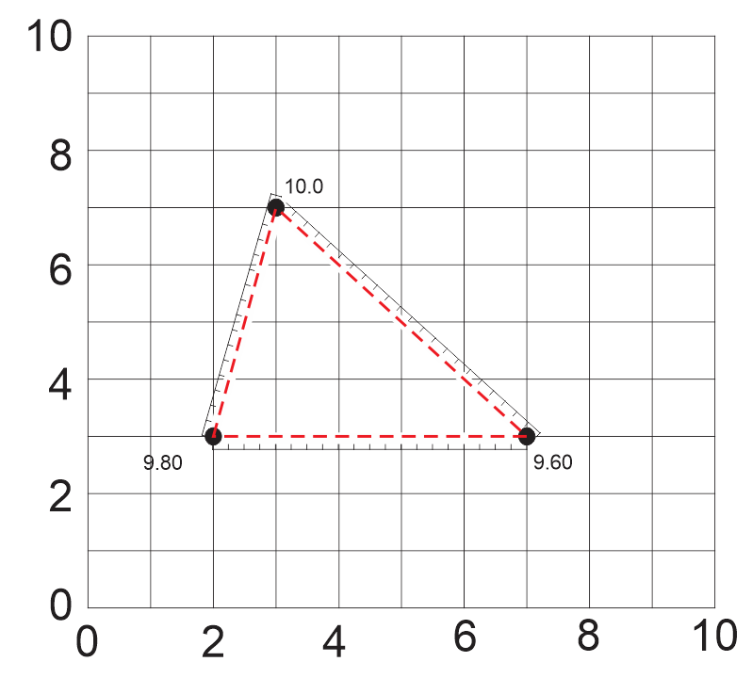

2) Three point problem: graphical and matrix

 |  | Conceptual model:
 |  | 3 well problem
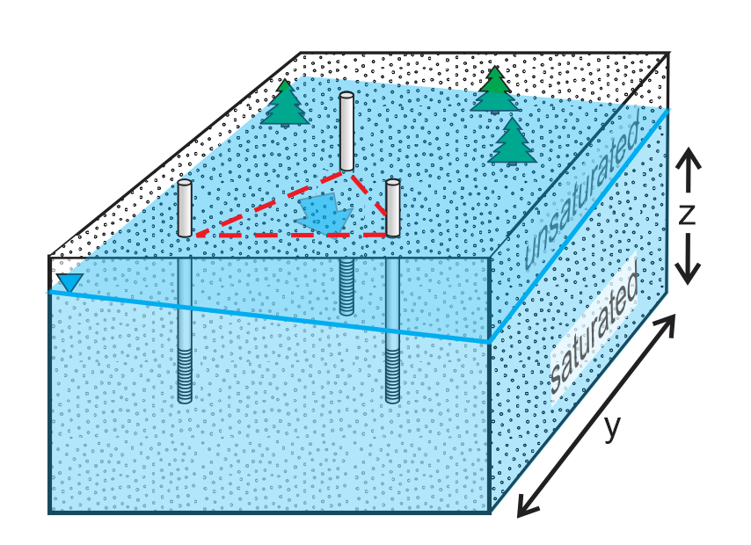

 |  |  | Variable | Amount | Unit
 |  |  | DH |  | m
 |  |  | Dℓ |  | m
 |  |  | ne | 0.28
 |  |  | K | 20.000 | m/d
 |  | Determine the Darcy flux and the seepage velocity

 |  | q= |  | m/d |  | cm/d
 |  | v= |  | m/d |  | cm/d

3) Matrix solution

 | Enter the coordinates and water levels
 | in the white spaces provided below.
 | x (m) | y (m) | z=WL (m) | D
 | 2 | 3 | 98 | 1
 | 3 | 7 | 100 | 1
 | 7 | 3 | 96 | 1

 |  |  |  | 2x1 | 3x1
 | [A] | 3x3 |  | [x] | [D]
 | 2 | 3 | 98 | a | 1
 | 3 | 7 | 100 | b | 1
 | 7 | 3 | 96 | c | 1

 | Ax=D
 | {ATA}-1ATAx={ATA}-1ATD
 | x={ATA}-1ATD

 |  |  |  |  |  |  |  |  |  |  |  | Determine east-west gradient trend
 | AT | 3x3 |  |  |  |  |  |  |  |  |  |  |  | x | y
 | 2 | 3 | 7 |  |  |  |  |  |  |  |  | zmax | 100 | 3 | 7
 | 3 | 7 | 3 |  |  |  |  |  |  |  |  | zmin | 96 | 7 | 3
 | 98 | 100 | 96 |  |  |  |  |  |  |  |  | north or south: |  |  | south
 |  |  |  |  |  |  |  |  |  |  |  | East or west: |  |  | east
 | ATA | 3x3 |  |  |  |  |  |  |  |  |  | digital quadrant |  |  | 2
 | 62 | 48 | 1168
 | 48 | 67 | 1282
 | 1168 | 1282 | 28820

 | (ATA)-1 | 3x3
 | 0.076367307897 | 0.03029439898 | -0.0044425550005
 | 0.03029439898 | 0.11229036029 | -0.0062227654373
 | -0.0044425550005 | -0.0062227654373 | 0.000491550643

 | {ATA}-1ATD | (3x3)(3x3)(3x1) = (3x1)
 | 0.0041237113402
 | -0.0061855670103
 | 0.010309278351

 | flow angle
 | -0.98279372325 | radians = | -56.310 | degrees
 | assess north vs south flow |  |  |  | south
 | assess east vs west flow |  |  | 0 | east
 | flow angle |  | gradient
 | -1.0 | radians | 0.721
 | -56.3 | o cw from x | 213.7 | ccw o from north

Exercise3
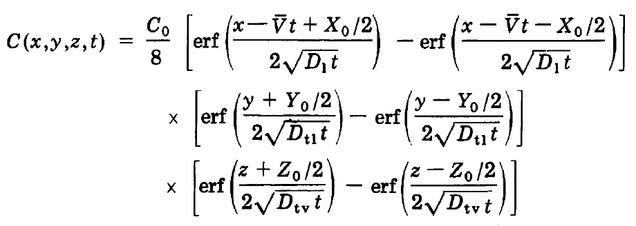
Interwell Tracer test |  |  | 4 | 5 | 6 | 7 | 8 | 9 | 10 | 11 | 12 | 13 | 14 | 15 | 16 | 17 | 18 | 19 | 20 | 21 | 22 | 23 | 24 | 25 | 26 | 27 | 28 | 29 | 30 | 31
 |  |  |  |  |  |  |  |  |  |  |  |  |  |  |  |  |  |  |  |  |  |  |  |  |  |  |  |  |  |  |  |  | Breakthrough data
 |  |  |  |  |  |  |  |  |  |  |  |  |  |  |  |  |  |  |  |  |  |  |  |  |  |  |  |  |  |  |  | count | day | Center | Off-Cntr
 | Set up the test |  |  |  |  |  |  |  |  |  |  |  |  |  |  |  |  |  |  |  |  |  |  |  |  |  |  |  |  |  |  | 0
 | v |  | m/d |  |  |  |  |  |  |  |  |  |  |  |  |  |  |  |  |  |  |  |  |  |  | term1 | 0.99999874168 |  | a | 0.1 | m
 | xo | 2 | m |  |  |  |  |  |  |  |  |  |  |  |  |  |  |  |  |  |  |  |  |  |  | term2 | 1.5 |  | Dl | 0.12583212674 | m2/d
 | yo | 3 | m |  |  |  |  |  |  |  |  |  |  |  |  |  |  |  |  |  |  |  |  |  |  | term3 | 0.000709456487 |  | Dt | 0.012583212674 | m2/d
 |  |  |  |  |  |  |  |  |  |  |  |  |  |  |  |  |  |  |  |  |  |  |  |  |  | term4 | 0.00022434983997 |  | t | 0.000001 | d
 | 0 | 1 | 2 | 3 | 4 | 5 | 6 | 7 | 8 | 9 | 10 | 11 | 12 | 13 | 14 | 15 | 16 |  |  |  |  |  |  |  |  | term5 | -1.0000012583 |  |  | 0
8 | 0 | 0 | 0 | 0 | 0 | 0 | 0 | 0 | 0 | 0 | 0 | 0 | 0 | 0 | 0 | 0 | 0 |  |  |  |  |  |  |  |  |  |  |  | i | 0
Plume centerline
7 | 0 | 0 | 0 | 0 | 0 | 0 | 0 | 0 | 0 | 0 | 0 | 0 | 0 | 0 | 0 | 0 | 0 |  |  |  |  |  |  |  |  |  |  |  | autov | 1.26E+00 | m/d
6 | 0 | 0 | 0 | 0 | 0 | 0 | 0 | 0 | 0 | 0 | 0 | 0 | 0 | 0 | 0 | 0 | 0 |  |  |  |  |  |  |  |  |  |  |  | userv | 0 | m/d
5 | 0 | 0 | 0 | 0 | 0 | 0 | 0 | 0 | 0 | 0 | 0 | 0 | 0 | 0 | 0 | 0 | 0 |  |  |  |  |  |  |  |  |  |  |  | v | 1.2583212674
4 | 0 | 0 | 0 | 0 | 0 | 0 | 0 | 0 | 0 | 0 | 0 | 0 | 0 | 0 | 0 | 0 | 0 |  |  |  |  |  |  |  |  |  |  |  | checkv | 1.2583212674
3 | 0 | 0 | 0 | 0 | 0 | 0 | 0 | 0 | 0 | 0 | 0 | 0 | 0 | 0 | 0 | 0 | 423 | #DIV/0! | #DIV/0! | #DIV/0! | #DIV/0! | #DIV/0! | #DIV/0! | #DIV/0! | #DIV/0! | #DIV/0! | #DIV/0! | #DIV/0! | #DIV/0! | #DIV/0! | 430
2 | 0 | 0 | 0 | 0 | 0 | 0 | 0 | 0 | 0 | 0 | 0 | 0 | 0 | 0 | 0 | 0 | 423 | #DIV/0! | #DIV/0! | #DIV/0! | #DIV/0! | #DIV/0! | #DIV/0! | #DIV/0! | #DIV/0! | #DIV/0! | #DIV/0! | #DIV/0! | #DIV/0! | #DIV/0! | 430
1 | 1 | 0.50100066885 | 0 | 0 | 0 | 0 | 0 | 0 | 0 | 0 | 0 | 0 | 0 | 0 | 0 | 0 | 423 | #DIV/0! | #DIV/0! | #DIV/0! | #DIV/0! | #DIV/0! | #DIV/0! | #DIV/0! | #DIV/0! | #DIV/0! | #DIV/0! | #DIV/0! | #DIV/0! | #DIV/0! | 430
0 | 1 | 0.50100066885 | 0 | 0 | 0 | 0 | 0 | 0 | 0 | 0 | 0 | 0 | 0 | 0 | 0 | 0 | 423 | #DIV/0! | #DIV/0! | #DIV/0! | #DIV/0! | #DIV/0! | #DIV/0! | #DIV/0! | #DIV/0! | #DIV/0! | #DIV/0! | #DIV/0! | #DIV/0! | #DIV/0! | 430
1 | 1 | 0.50100066885 | 0 | 0 | 0 | 0 | 0 | 0 | 0 | 0 | 0 | 0 | 0 | 0 | 0 | 0 | 423 | #DIV/0! | #DIV/0! | #DIV/0! | #DIV/0! | #DIV/0! | #DIV/0! | #DIV/0! | #DIV/0! | #DIV/0! | #DIV/0! | #DIV/0! | #DIV/0! | #DIV/0! | 430
2 | 0 | 0 | 0 | 0 | 0 | 0 | 0 | 0 | 0 | 0 | 0 | 0 | 0 | 0 | 0 | 0 | 423 | #DIV/0! | #DIV/0! | #DIV/0! | #DIV/0! | #DIV/0! | #DIV/0! | #DIV/0! | #DIV/0! | #DIV/0! | #DIV/0! | #DIV/0! | #DIV/0! | #DIV/0! | 430
3 | 0 | 0 | 0 | 0 | 0 | 0 | 0 | 0 | 0 | 0 | 0 | 0 | 0 | 0 | 0 | 0 | 423 | #DIV/0! | #DIV/0! | #DIV/0! | #DIV/0! | #DIV/0! | #DIV/0! | #DIV/0! | #DIV/0! | #DIV/0! | #DIV/0! | #DIV/0! | #DIV/0! | #DIV/0! | 430
4 | 0 | 0 | 0 | 0 | 0 | 0 | 0 | 0 | 0 | 0 | 0 | 0 | 0 | 0 | 0 | 0 | 423 | #DIV/0! | #DIV/0! | #DIV/0! | #DIV/0! | #DIV/0! | #DIV/0! | #DIV/0! | #DIV/0! | #DIV/0! | #DIV/0! | #DIV/0! | #DIV/0! | #DIV/0! | 430
5 | 0 | 0 | 0 | 0 | 0 | 0 | 0 | 0 | 0 | 0 | 0 | 0 | 0 | 0 | 0 | 0 | 423 | #DIV/0! | #DIV/0! | #DIV/0! | #DIV/0! | #DIV/0! | #DIV/0! | #DIV/0! | #DIV/0! | #DIV/0! | #DIV/0! | #DIV/0! | #DIV/0! | #DIV/0! | 430
6 | 0 | 0 | 0 | 0 | 0 | 0 | 0 | 0 | 0 | 0 | 0 | 0 | 0 | 0 | 0 | 0 | 423 | #DIV/0! | #DIV/0! | #DIV/0! | #DIV/0! | #DIV/0! | #DIV/0! | #DIV/0! | #DIV/0! | #DIV/0! | #DIV/0! | #DIV/0! | #DIV/0! | #DIV/0! | 430
7 | 0 | 0 | 0 | 0 | 0 | 0 | 0 | 0 | 0 | 0 | 0 | 0 | 0 | 0 | 0 | 0 | 423 | #DIV/0! | #DIV/0! | #DIV/0! | #DIV/0! | #DIV/0! | #DIV/0! | #DIV/0! | #DIV/0! | #DIV/0! | #DIV/0! | #DIV/0! | #DIV/0! | #DIV/0! | 430
8 | 0 | 0 | 0 | 0 | 0 | 0 | 0 | 0 | 0 | 0 | 0 | 0 | 0 | 0 | 0 | 0 | 423 | #DIV/0! | #DIV/0! | #DIV/0! | #DIV/0! | #DIV/0! | #DIV/0! | #DIV/0! | #DIV/0! | #DIV/0! | #DIV/0! | #DIV/0! | #DIV/0! | #DIV/0! | 430
Plume breakthrough at 10 m
 | Center | Off-Cntr
 |  |  |  |  |  |  |  |  |  |  |  |  |  |  |  |  | 423 | #DIV/0! | #DIV/0! | #DIV/0! | #DIV/0! | #DIV/0! | #DIV/0! | #DIV/0! | #DIV/0! | #DIV/0! | #DIV/0! | #DIV/0! | #DIV/0! | #DIV/0! | 430
 |  |  |  |  |  |  |  |  |  |  |  |  |  |  |  |  | 423 | #DIV/0! | #DIV/0! | #DIV/0! | #DIV/0! | #DIV/0! | #DIV/0! | #DIV/0! | #DIV/0! | #DIV/0! | #DIV/0! | #DIV/0! | #DIV/0! | #DIV/0! | 430
 |  |  |  |  | Time | 0.000001 | days |  |  | Enter the estimated velocity here → |  |  |  | 0.01 |  |  | 423 | #DIV/0! | #DIV/0! | #DIV/0! | #DIV/0! | #DIV/0! | #DIV/0! | #DIV/0! | #DIV/0! | #DIV/0! | #DIV/0! | #DIV/0! | #DIV/0! | #DIV/0! | 430

 |  |  |  |  |  |  |  |  |  |  | Please try again

Exercise4
Calculation of gradient magnitude and direction graphically and with matrices
Well input |  |  |  |  |  |  |  | Matrix solution to best fit plane of water table |  |  |  |  |  | Flow model
 |  |  |  |  |  |  |  |  |  |  |  |  |  |  | Parameter | Value
 | x | y | z= WL (m) | D |  |  |  |  |  |  |  |  |  |  | dx | 70 | m
 | 800 | 250 | 428.674 | 1 |  |  |  |  |  |  |  |  |  |  | dy | 70 | m
 | 490 | 210 | 425.954 | 1 |  |  |  |  |  |  |  |  |  |  | ne | 0.3
In the event of a #DIV/0! error in the Flow model, click on the recover button above to reset the model and remove the error. All values of K must be >0.
 | 420 | 770 | 426.932 | 1 |  |  |  | local coordinates |  |  |  |  |  |  | Khigh | 100 | m/d
 | 250 | 400 | 425.032 | 1 |  |  |  | min x | 250 |  |  |  |  |  | Kmid | NA | m/d
 | 840 | 700 | 429.129 | 1 |  |  |  | min y | 210 |  |  |  |  |  | Klow | NA | m/d
 |  |  |  |  |  |  |  | min z | 425.032 |  |  |  |  |  | Kgeom | 2.03 | m/d
 |  |  |  |  |  |  |  |  |  |  |  |  |  |  | time | 1825 | days
Water Level Contours
Hydraulic Conductivity
 |  |  |  |  |  |  |  | Local coordinates and w.l. |  |  | 3x1 | 5x1
 |  |  |  |  |  |  |  | [A] | 5x3 |  | [x] | [WL] |  |  | Flow model
 |  |  |  |  |  |  |  | 550.000 | 40.000 | 3.642 | a | 1 |  |  |  | 0 | 70 | 140 | 210 | 280 | 350 | 420 | 490 | 560 | 630 | 700 | 770 | 840 | 910 | 980
 |  |  |  |  |  |  |  | 240.000 | 0.000 | 0.922 | b | 1 |  |  | 980 | 423.000 | 423.714 | 424.167 | 424.759 | 425.626 | 426.290 | 426.881 | 427.455 | 427.789 | 428.176 | 428.719 | 429.134 | 429.509 | 429.856 | 430.000 | 980
 |  |  |  |  |  |  |  | 170.000 | 560.000 | 1.900 | c | 1 |  |  | 910 | 423.000 | 423.714 | 424.167 | 424.759 | 425.626 | 426.290 | 426.881 | 427.455 | 427.789 | 428.176 | 428.719 | 429.134 | 429.509 | 429.856 | 430.000 | 910
 |  |  |  |  |  |  |  | 0.000 | 190.000 | 0.000 |  | 1 |  |  | 840 | 423.000 | 423.724 | 424.149 | 424.852 | 425.717 | 426.267 | 426.905 | 427.483 | 427.809 | 428.251 | 428.777 | 429.149 | 429.533 | 429.792 | 430.000 | 840
 |  |  |  |  |  |  |  | 590.000 | 490.000 | 4.096 |  | 1 |  |  | 770 | 423.000 | 423.717 | 424.224 | 424.848 | 425.706 | 426.328 | 426.934 | 427.532 | 427.921 | 428.291 | 428.735 | 429.051 | 429.360 | 429.607 | 430.000 | 770
 |  |  |  |  |  |  |  |  |  |  |  |  |  |  | 700 | 423.000 | 423.716 | 424.272 | 424.693 | 425.646 | 426.561 | 427.129 | 427.688 | 428.082 | 428.294 | 428.641 | 428.972 | 429.130 | 429.408 | 430.000 | 700
 |  |  |  |  |  |  |  |  |  |  |  |  |  |  | 630 | 423.000 | 423.720 | 424.182 | 424.573 | 425.660 | 426.893 | 427.428 | 427.850 | 428.189 | 428.317 | 428.505 | 428.819 | 428.986 | 429.424 | 430.000 | 630
 |  |  |  |  |  |  |  | ax+by+cz=D |  |  | dz/dx=a |  |  |  | 560 | 423.000 | 423.748 | 424.136 | 424.444 | 425.576 | 426.943 | 427.550 | 427.847 | 428.092 | 428.258 | 428.375 | 428.633 | 429.085 | 429.628 | 430.000 | 560
 |  |  |  |  |  |  |  | Ax=D |  |  | dz/dy=b |  |  |  | 490 | 423.000 | 423.767 | 424.060 | 424.501 | 425.375 | 426.546 | 427.433 | 427.642 | 427.900 | 428.190 | 428.355 | 428.609 | 429.117 | 429.600 | 430.000 | 490
 |  |  |  |  |  |  |  | {ATA}-1ATAx={ATA}-1ATD |  |  |  |  |  |  | 420 | 423.000 | 423.715 | 424.059 | 424.484 | 425.033 | 425.821 | 427.240 | 427.470 | 427.770 | 428.006 | 428.295 | 428.667 | 429.148 | 429.628 | 430.000 | 420
 |  |  |  |  |  |  |  | x={ATA}-1ATD |  |  |  |  |  |  | 350 | 423.000 | 423.609 | 423.911 | 424.266 | 424.562 | 424.665 | 426.059 | 426.932 | 427.482 | 427.883 | 428.279 | 428.695 | 429.176 | 429.674 | 430.000 | 350
 |  |  |  |  |  |  |  |  |  |  |  |  |  |  | 280 | 423.000 | 423.480 | 423.749 | 424.017 | 424.283 | 424.480 | 425.316 | 426.403 | 427.187 | 427.688 | 428.184 | 428.675 | 429.192 | 429.729 | 430.000 | 280
 |  |  |  |  |  |  |  | AT | 3x5 |  |  |  |  |  | 210 | 423.000 | 423.318 | 423.594 | 423.815 | 424.069 | 424.373 | 425.070 | 425.955 | 426.889 | 427.546 | 428.122 | 428.644 | 429.178 | 429.752 | 430.000 | 210
 |  |  |  |  |  |  |  | 550 | 240 | 170 | 0 | 590 |  |  | 140 | 423.000 | 423.159 | 423.339 | 423.582 | 424.057 | 424.525 | 425.128 | 425.806 | 426.631 | 427.460 | 428.118 | 428.620 | 429.115 | 429.643 | 430.000 | 140
 |  |  |  |  |  |  |  | 40 | 0 | 560 | 190 | 490 |  |  | 70 | 423.000 | 423.133 | 423.242 | 423.606 | 424.143 | 424.561 | 425.157 | 425.944 | 426.626 | 427.347 | 428.088 | 428.592 | 429.064 | 429.511 | 430.000 | 70
 | Simple Darcy Analysis based on homogeneous K and boundary heads |  |  |  |  |  |  | 3.6415857751 | 0.92188159213 | 1.8999798487 | 0 | 4.0964200548 |  |  | 0 | 423.000 | 423.133 | 423.242 | 423.606 | 424.143 | 424.561 | 425.157 | 425.944 | 426.626 | 427.347 | 428.088 | 428.592 | 429.064 | 429.511 | 430.000 | 0
 | Kgeometric | 2.03 | m/d |  | vseepage | 0.048 | m/d |  |  |  |  |  |  |  | Hydraulic conductivity distribution
 | i | 0.0071 |  |  | angle ccw N o | 90 |  |  |  |  |  |  |  |  |  | 0 | 70 | 140 | 210 | 280 | 350 | 420 | 490 | 560 | 630 | 700 | 770 | 840 | 910 | 980 |  | pm1
 | ne | 0.3 |  |  |  |  |  | ATA | 3x3 |  | (ATA)-1 | 3x3 |  |  | 980.00 | 2.519 | 2.668 | 7.026 | 1.622 | 0.889 | 4.391 | 2.519 | 2.668 | 7.026 | 1.622 | 0.889 | 4.391 | 0.889 | 4.391 | 1.622 | 980.00 | 2.519 | 2.668 | 7.026 | 1.622 | 0.889 | 4.391 | 2.519 | 2.668 | 7.026 | 1.622 | 0.889 | 4.391 | 0.889 | 4.391 | 1.622
 |  |  |  |  |  |  |  | 737100 | 406300 | 4964.008165 | 8.3877691587E-05 | 1.6271299198E-05 | -0.013585246658 |  | 910.00 | 1.035 | 2.663 | 1.978 | 1.690 | 0.790 | 2.756 | 1.035 | 2.663 | 1.978 | 1.690 | 0.790 | 2.756 | 0.790 | 2.756 | 100.000 | 910.00 | 1.035 | 2.663 | 1.978 | 1.690 | 0.790 | 2.756 | 1.035 | 2.663 | 1.978 | 1.690 | 0.790 | 2.756 | 0.790 | 2.756 | 1.690
Velocity Vectors
 |  |  |  |  |  |  |  | 406300 | 591400 | 3216.8979731 | 1.6271299198E-05 | 6.5874542558E-06 | -0.0029552846844 |  | 840.00 | 2.048 | 4.729 | 5.307 | 1.482 | 3.381 | 3.681 | 2.048 | 4.729 | 5.307 | 1.482 | 3.381 | 3.681 | 5.307 | 100.000 | 100.000 | 840.00 | 2.048 | 4.729 | 5.307 | 1.482 | 3.381 | 3.681 | 2.048 | 4.729 | 5.307 | 1.482 | 3.381 | 3.681 | 3.381 | 3.681 | 1.482
 | Darcy estimated velocity |  |  |  |  |  |  | 4964.008165 | 3216.8979731 | 34.501593318 | -0.013585246658 | -0.0029552846844 | 2.2591456553 |  | 770.00 | 2.225 | 1.661 | 6.594 | 1.542 | 3.865 | 2.658 | 2.225 | 1.661 | 6.594 | 1.542 | 3.865 | 2.658 | 5.307 | 100.000 | 5.307 | 770.00 | 2.225 | 1.661 | 6.594 | 1.542 | 3.865 | 2.658 | 2.225 | 1.661 | 6.594 | 1.542 | 3.865 | 2.658 | 3.865 | 2.658 | 1.542
 | Kgeom | 2.03 | m/d |  |  |  |  |  |  |  |  |  |  |  | 700.00 | 1.801 | 1.327 | 3.663 | 3.726 | 1.182 | 3.277 | 1.801 | 1.327 | 3.663 | 3.726 | 1.182 | 100.000 | 100.000 | 100.000 | 7.026 | 700.00 | 1.801 | 1.327 | 3.663 | 3.726 | 1.182 | 3.277 | 1.801 | 1.327 | 3.663 | 3.726 | 1.182 | 3.277 | 1.182 | 3.277 | 3.726
 | ne | 0.30 |  |  |  |  |  |  |  |  |  |  |  |  | 630.00 | 1.177 | 3.549 | 2.128 | 4.514 | 0.563 | 2.531 | 7.026 | 3.549 | 100.000 | 100.000 | 100.000 | 100.000 | 100.000 | 2.531 | 4.514 | 630.00 | 1.177 | 3.549 | 2.128 | 4.514 | 0.563 | 2.531 | 1.177 | 3.549 | 2.128 | 4.514 | 0.563 | 2.531 | 0.563 | 2.531 | 4.514
 | Estimates: |  |  |  |  |  |  | {ATA}-1ATD | (3x3)(3x5)(5x1) = (3x1) |  |  |  |  |  | 560.00 | 0.971 | 1.295 | 7.026 | 2.807 | 0.339 | 1.503 | 7.026 | 100.000 | 100.000 | 100.000 | 100.000 | 1.503 | 0.339 | 1.503 | 2.807 | 560.00 | 0.971 | 1.295 | 0.879 | 2.807 | 0.339 | 1.503 | 0.971 | 1.295 | 0.879 | 2.807 | 0.339 | 1.503 | 0.339 | 1.503 | 2.807
 | i | 7.90E-03 |  |  |  |  |  | 0.0073792833878 | a |  |  |  |  |  | 490.00 | 1.019 | 3.973 | 7.026 | 1.294 | 1.234 | 1.803 | 100.000 | 100.000 | 5.307 | 7.026 | 100.000 | 1.803 | 1.234 | 1.803 | 1.294 | 490.00 | 1.019 | 3.973 | 2.523 | 1.294 | 1.234 | 1.803 | 1.019 | 3.973 | 2.523 | 1.294 | 1.234 | 1.803 | 1.234 | 1.803 | 1.294
 | q= Ki | 0.016 | m/d |  |  |  |  | 0.0024450411907 | b |  |  |  |  |  | 420.00 | 1.533 | 3.996 | 7.026 | 5.525 | 7.026 | 7.026 | 100.000 | 7.026 | 20.000 | 7.026 | 7.026 | 2.297 | 3.362 | 2.297 | 5.525 | 420.00 | 1.533 | 3.996 | 1.723 | 5.525 | 3.362 | 2.297 | 1.533 | 3.996 | 1.723 | 5.525 | 3.362 | 2.297 | 3.362 | 2.297 | 5.525
 | v=q/ne | 0.053 | m/d |  |  |  |  | -0.98361845077 | c |  |  |  |  |  | 350.00 | 1.577 | 3.180 | 5.307 | 2.801 | 5.307 | 100.000 | 1.577 | 3.180 | 0.789 | 7.026 | 1.688 | 6.466 | 1.688 | 6.466 | 2.801 | 350.00 | 1.577 | 3.180 | 0.789 | 2.801 | 1.688 | 6.466 | 1.577 | 3.180 | 0.789 | 2.801 | 1.688 | 6.466 | 1.688 | 6.466 | 2.801
 | dir | 108 | o ccw N |  |  |  |  |  |  |  |  |  |  |  | 280.00 | 1.599 | 1.782 | 7.026 | 2.077 | 100.000 | 100.000 | 1.599 | 1.782 | 1.563 | 7.026 | 0.573 | 2.855 | 0.573 | 2.855 | 2.077 | 280.00 | 1.599 | 1.782 | 1.563 | 2.077 | 0.573 | 2.855 | 1.599 | 1.782 | 1.563 | 2.077 | 0.573 | 2.855 | 0.573 | 2.855 | 2.077
 |  |  |  |  |  |  |  |  |  |  |  |  |  |  | 210.00 | 1.493 | 1.328 | 7.026 | 100.000 | 100.000 | 7.026 | 1.493 | 1.328 | 0.694 | 3.107 | 0.292 | 4.319 | 0.292 | 4.319 | 3.107 | 210.00 | 1.493 | 1.328 | 0.694 | 3.107 | 0.292 | 4.319 | 1.493 | 1.328 | 0.694 | 3.107 | 0.292 | 4.319 | 0.292 | 4.319 | 3.107
 | Point by point analysis |  |  |  |  |  |  | flow angle |  |  |  |  |  |  | 140.00 | 100.000 | 100.000 | 100.000 | 100.000 | 0.994 | 4.917 | 1.711 | 3.568 | 0.700 | 1.500 | 0.994 | 4.917 | 0.994 | 4.917 | 1.500 | 140.00 | 1.711 | 3.568 | 0.700 | 1.500 | 0.994 | 4.917 | 1.711 | 3.568 | 0.700 | 1.500 | 0.994 | 4.917 | 0.994 | 4.917 | 1.500
 | v max | 1.017 | m/d |  |  |  |  | 0.3 | radians = | 18.332 | degrees |  |  |  | 70.00 | 100.000 | 100.000 | 100.000 | 1.542 | 3.865 | 2.658 | 2.225 | 1.661 | 6.594 | 1.542 | 3.865 | 2.658 | 3.865 | 2.658 | 1.542 | 70.00 | 2.225 | 1.661 | 6.594 | 1.542 | 3.865 | 2.658 | 2.225 | 1.661 | 6.594 | 1.542 | 3.865 | 2.658 | 3.865 | 2.658 | 1.542
 | v min | 0.057 | m/d |  |  |  |  | assess east vs west flow |  |  | 0 | west |  |  | 0.00 | 1.801 | 1.327 | 3.663 | 3.726 | 1.182 | 3.277 | 1.801 | 1.327 | 3.663 | 3.726 | 1.182 | 3.277 | 1.182 | 3.277 | 3.726 | 0.00 | 1.801 | 1.327 | 3.663 | 3.726 | 1.182 | 3.277 | 1.801 | 1.327 | 3.663 | 3.726 | 1.182 | 3.277 | 1.182 | 3.277 | 3.726
 | v avg | 0.290 | m/d |  |  |  |  | flow direction angle |  |  |  |  |  |  |  |  |  |  |  |  |  |  |  |  |  |  |  |  |  |  |  | pm2
 | dir avg | 106 | o ccw N |  |  |  |  | 198.3 | degrees | ccw from x axis |  |  |  |  |  |  |  |  |  |  |  |  |  |  |  |  |  |  |  |  |  | 2.519 | 2.668 | 7.026 | 1.622 | 0.889 | 4.391 | 2.519 | 2.668 | 7.026 | 1.622 | 0.889 | 4.391 | 0.889 | 4.391 | 1.622
 |  |  |  |  |  |  |  | gradient |  | Overall v vector: |  |  |  |  | vertical i | positive is up |  |  |  |  |  |  |  |  |  |  |  |  |  |  |  | 1.035 | 2.663 | 1.978 | 1.690 | 0.790 | 2.756 | 1.035 | 2.663 | 1.978 | 1.690 | 0.790 | 2.756 | 0.790 | 2.756 | 100.000
 |  |  |  |  |  |  |  | 0.00790 |  | 490.0 | 397.4 |  |  |  |  | 0 | 70 | 140 | 210 | 280 | 350 | 420 | 490 | 560 | 630 | 700 | 770 | 840 | 910 | 980 |  | 2.048 | 4.729 | 5.307 | 1.482 | 3.381 | 3.681 | 2.048 | 4.729 | 5.307 | 1.482 | 3.381 | 3.681 | 5.307 | 100.000 | 100.000
 | x | y | z= WL (m) | v (m/d) | Dir from N (ccw) | max D angle |  |  |  | 490.0 | 459.3 |  |  |  | 980.00 | 0.00E+00 | 3.15E-10 | 5.01E-10 | 7.17E-10 | 1.00E-09 | 1.19E-09 | 1.29E-09 | 1.34E-09 | 1.31E-09 | 1.19E-09 | 9.46E-10 | 7.07E-10 | 4.21E-10 | 1.31E-10 | 0.00E+00 | 980.00 | 2.225 | 1.661 | 6.594 | 1.542 | 3.865 | 2.658 | 2.225 | 1.661 | 6.594 | 1.542 | 3.865 | 2.658 | 5.307 | 100.000 | 5.307
 | 800 | 250 | 428.7 | 0.067 | 93.5 | 36.2 |  |  |  |  |  |  |  |  | 910.00 | 0.00E+00 | 1.49E-04 | -2.56E-04 | 1.33E-03 | 1.30E-03 | -3.29E-04 | 3.47E-04 | 4.04E-04 | 2.74E-04 | 1.08E-03 | 8.35E-04 | 2.24E-04 | 3.45E-04 | -9.15E-04 | 0.00E+00 | 910.00 | 1.801 | 1.327 | 3.663 | 3.726 | 1.182 | 3.277 | 1.801 | 1.327 | 3.663 | 3.726 | 1.182 | 100.000 | 100.000 | 100.000 | 7.026
 | 490 | 210 | 426.0 | 0.057 | 99.6 |  |  |  |  |  |  |  |  |  | 840.00 | 0.00E+00 | -1.06E-04 | 1.07E-03 | -5.73E-05 | -1.59E-04 | 8.70E-04 | 4.06E-04 | 7.01E-04 | 1.60E-03 | 5.67E-04 | -6.06E-04 | -1.41E-03 | -2.47E-03 | -2.64E-03 | 0.00E+00 | 840.00 | 1.177 | 3.549 | 2.128 | 4.514 | 0.563 | 2.531 | 7.026 | 3.549 | 100.000 | 100.000 | 100.000 | 100.000 | 100.000 | 2.531 | 4.514
 | 420 | 770 | 426.9 | 0.067 | 72.1 | max D v |  |  |  |  |  |  |  |  | 770.00 | 0.00E+00 | -1.22E-05 | 6.91E-04 | -2.21E-03 | -8.59E-04 | 3.32E-03 | 2.79E-03 | 2.22E-03 | 2.31E-03 | 4.35E-05 | -1.33E-03 | -1.12E-03 | -3.29E-03 | -2.85E-03 | 0.00E+00 | 770.00 | 0.971 | 1.295 | 7.026 | 2.807 | 0.339 | 1.503 | 7.026 | 100.000 | 100.000 | 100.000 | 100.000 | 1.503 | 0.339 | 1.503 | 2.807
 | 250 | 400 | 425.0 | 0.242 | 130.6 | 0.963 |  |  |  |  |  |  |  |  | 700.00 | 0.00E+00 | 6.23E-05 | -1.29E-03 | -1.72E-03 | 2.09E-04 | 4.75E-03 | 4.27E-03 | 2.32E-03 | 1.52E-03 | 3.25E-04 | -1.95E-03 | -2.19E-03 | -2.06E-03 | 2.38E-04 | 0.00E+00 | 700.00 | 1.019 | 3.973 | 7.026 | 1.294 | 1.234 | 1.803 | 100.000 | 100.000 | 5.307 | 7.026 | 100.000 | 1.803 | 1.234 | 1.803 | 1.294
 | 840 | 700 | 429.1 | 1.017 | 132.5 |  |  |  |  |  |  |  |  |  | 630.00 | 0.00E+00 | 4.04E-04 | -6.49E-04 | -1.85E-03 | -1.20E-03 | 7.17E-04 | 1.74E-03 | -3.84E-05 | -1.39E-03 | -8.36E-04 | -1.85E-03 | -2.66E-03 | 1.42E-03 | 2.90E-03 | 0.00E+00 | 630.00 | 1.533 | 3.996 | 7.026 | 5.525 | 7.026 | 7.026 | 100.000 | 7.026 | 20.000 | 7.026 | 7.026 | 2.297 | 3.362 | 2.297 | 5.525
 | ccw N= counter clockwise from North |  |  |  |  |  |  |  |  |  |  |  |  |  | 560.00 | 0.00E+00 | 2.64E-04 | -1.09E-03 | 8.21E-04 | -2.87E-03 | -5.68E-03 | -1.67E-03 | -2.94E-03 | -2.74E-03 | -9.70E-04 | -2.91E-04 | -3.38E-04 | 4.64E-04 | -4.00E-04 | 0.00E+00 | 560.00 | 1.577 | 3.180 | 5.307 | 2.801 | 5.307 | 100.000 | 1.577 | 3.180 | 0.789 | 7.026 | 1.688 | 6.466 | 1.688 | 6.466 | 2.801
 |  |  |  |  |  |  |  |  |  |  |  |  |  |  | 490.00 | 0.00E+00 | -7.45E-04 | -2.30E-05 | -2.56E-04 | -4.89E-03 | -1.04E-02 | -2.75E-03 | -2.46E-03 | -1.86E-03 | -2.63E-03 | -8.52E-04 | 8.32E-04 | 4.43E-04 | 4.03E-04 | 0.00E+00 | 490.00 | 1.599 | 1.782 | 7.026 | 2.077 | 100.000 | 100.000 | 1.599 | 1.782 | 1.563 | 7.026 | 0.573 | 2.855 | 0.573 | 2.855 | 2.077
 |  |  |  |  |  |  |  |  |  |  |  |  |  |  | 420.00 | 0.00E+00 | -1.51E-03 | -2.10E-03 | -3.11E-03 | -6.74E-03 | -1.65E-02 | -1.69E-02 | -7.68E-03 | -4.10E-03 | -1.75E-03 | -2.29E-04 | 3.95E-04 | 3.89E-04 | 6.62E-04 | 0.00E+00 | 420.00 | 1.493 | 1.328 | 7.026 | 100.000 | 100.000 | 7.026 | 1.493 | 1.328 | 0.694 | 3.107 | 0.292 | 4.319 | 0.292 | 4.319 | 3.107
 |  |  |  |  |  |  |  |  |  |  |  |  |  |  | 350.00 | 0.00E+00 | -1.84E-03 | -2.33E-03 | -3.56E-03 | -3.98E-03 | -2.64E-03 | -1.06E-02 | -7.56E-03 | -4.22E-03 | -2.79E-03 | -1.35E-03 | -2.87E-04 | 2.31E-04 | 7.86E-04 | 0.00E+00 | 350.00 | 100.000 | 100.000 | 100.000 | 100.000 | 0.994 | 4.917 | 1.711 | 3.568 | 0.700 | 1.500 | 0.994 | 4.917 | 0.994 | 4.917 | 1.500
 | Aid for Excercise 4. Copy the first table to the second. After each simulation |  |  |  |  |  |  |  |  |  |  |  |  |  | 280.00 | 0.00E+00 | -2.32E-03 | -2.20E-03 | -2.88E-03 | -3.06E-03 | -1.53E-03 | -3.51E-03 | -6.40E-03 | -4.25E-03 | -2.03E-03 | -8.86E-04 | -4.35E-04 | -2.03E-04 | 3.28E-04 | 0.00E+00 | 280.00 | 100.000 | 100.000 | 100.000 | 1.542 | 3.865 | 2.658 | 2.225 | 1.661 | 6.594 | 1.542 | 3.865 | 2.658 | 3.865 | 2.658 | 1.542
 | copy the formulas in the second table to numbers. Copy the second table to 'Solutions'. |  |  |  |  |  |  |  |  |  |  |  |  |  | 210.00 | 0.00E+00 | -2.28E-03 | -3.66E-03 | -3.33E-03 | -1.74E-04 | 2.17E-03 | 8.27E-04 | -2.14E-03 | -3.69E-03 | -1.24E-03 | -6.60E-05 | -3.44E-04 | -8.87E-04 | -1.56E-03 | 0.00E+00 | 210.00 | 1.801 | 1.327 | 3.663 | 3.726 | 1.182 | 3.277 | 1.801 | 1.327 | 3.663 | 3.726 | 1.182 | 3.277 | 1.182 | 3.277 | 3.726
 | Run | v Darcy | dir Darcy | v points | v max | dir points | max D angle |  |  |  |  |  |  |  | 140.00 | 0.00E+00 | -3.61E-04 | -1.39E-03 | 3.50E-04 | 1.23E-03 | 5.13E-04 | 4.07E-04 | 1.97E-03 | -6.96E-05 | -1.60E-03 | -4.21E-04 | -4.07E-04 | -7.30E-04 | -1.88E-03 | 0.00E+00 | 140.00
 | 1 | 0.053 | 108 | 0.290 | 1.017 | 106 | 36.2 |  |  |  |  |  |  |  | 70.00 | 0.00E+00 | 0.00E+00 | 0.00E+00 | 0.00E+00 | 0.00E+00 | 0.00E+00 | 0.00E+00 | 0.00E+00 | 0.00E+00 | 0.00E+00 | 0.00E+00 | 0.00E+00 | 0.00E+00 | 0.00E+00 | 0.00E+00 | 70.00
 | 2 | 0.053 | 108 | 0.290 | 1.017 | 106 | 36.2 |  |  |  |  |  |  |  | 0.00 | 0.00E+00 | 0.00E+00 | 0.00E+00 | 0.00E+00 | 0.00E+00 | 0.00E+00 | 0.00E+00 | 0.00E+00 | 0.00E+00 | 0.00E+00 | 0.00E+00 | 0.00E+00 | 0.00E+00 | 0.00E+00 | 0.00E+00 | 0.00
 | 3 | 0.053 | 108 | 0.290 | 1.017 | 106 | 36.2
 | 4 | 0.053 | 108 | 0.290 | 1.017 | 106 | 36.2
 | 5 | 0.053 | 108 | 0.290 | 1.017 | 106 | 36.2 |  |  |  |  |  |  |  | horizontal i | positive is to the right
 |  |  |  |  |  |  |  |  |  |  |  |  |  |  |  | 0 | 70 | 140 | 210 | 280 | 350 | 420 | 490 | 560 | 630 | 700 | 770 | 840 | 910 | 980
 | Run | v Darcy | dir Darcy | v points | v max | dir points | max D angle |  |  |  |  |  |  |  | 980.00 | -1.02E-02 | -1.02E-02 | -6.47E-03 | -8.46E-03 | -1.24E-02 | -9.49E-03 | -8.44E-03 | -8.20E-03 | -4.78E-03 | -5.52E-03 | -7.76E-03 | -5.93E-03 | -5.36E-03 | -4.97E-03 | -2.05E-03 | 980.00
 | 1 | 0.048 | 85 | 0.047 | 0.078 | 82 | 12.4 |  |  |  |  |  |  |  | 910.00 | -1.02E-02 | -1.02E-02 | -6.47E-03 | -8.46E-03 | -1.24E-02 | -9.49E-03 | -8.44E-03 | -8.20E-03 | -4.78E-03 | -5.52E-03 | -7.76E-03 | -5.93E-03 | -5.36E-03 | -4.97E-03 | -2.05E-03 | 910.00
 | 2 | 0.053 | 80 | 0.045 | 0.078 | 94 | 22.3 |  |  |  |  |  |  |  | 840.00 | -1.03E-02 | -1.03E-02 | -6.07E-03 | -1.00E-02 | -1.24E-02 | -7.86E-03 | -9.11E-03 | -8.26E-03 | -4.65E-03 | -6.32E-03 | -7.52E-03 | -5.32E-03 | -5.48E-03 | -3.71E-03 | -2.97E-03 | 840.00
 | 3 | 0.053 | 95 | 0.067 | 0.104 | 91 | 4.9 |  |  |  |  |  |  |  | 770.00 | -1.02E-02 | -1.02E-02 | -7.25E-03 | -8.92E-03 | -1.23E-02 | -8.89E-03 | -8.65E-03 | -8.55E-03 | -5.54E-03 | -5.29E-03 | -6.34E-03 | -4.51E-03 | -4.42E-03 | -3.54E-03 | -5.61E-03 | 770.00
 | 4 | 0.137 | 88 | 0.049 | 0.107 | 87 | 13.8 |  |  |  |  |  |  |  | 700.00 | -1.02E-02 | -1.02E-02 | -7.95E-03 | -6.02E-03 | -1.36E-02 | -1.31E-02 | -8.12E-03 | -7.98E-03 | -5.64E-03 | -3.02E-03 | -4.96E-03 | -4.73E-03 | -2.25E-03 | -3.97E-03 | -8.46E-03 | 700.00
 | 5 | 0.048 | 97 | 0.041 | 0.049 | 89 | 22.4 |  |  |  |  |  |  |  | 630.00 | -1.03E-02 | -1.03E-02 | -6.59E-03 | -5.59E-03 | -1.55E-02 | -1.76E-02 | -7.64E-03 | -6.03E-03 | -4.84E-03 | -1.83E-03 | -2.69E-03 | -4.49E-03 | -2.38E-03 | -6.27E-03 | -8.22E-03 | 630.00
 |  |  |  |  |  |  |  |  |  |  |  |  |  |  | 560.00 | -1.07E-02 | -1.07E-02 | -5.54E-03 | -4.40E-03 | -1.62E-02 | -1.95E-02 | -8.67E-03 | -4.24E-03 | -3.49E-03 | -2.38E-03 | -1.67E-03 | -3.68E-03 | -6.46E-03 | -7.75E-03 | -5.32E-03 | 560.00
 |  |  |  |  |  |  |  |  |  |  |  |  |  |  | 490.00 | -1.10E-02 | -1.10E-02 | -4.19E-03 | -6.30E-03 | -1.25E-02 | -1.67E-02 | -1.27E-02 | -2.98E-03 | -3.68E-03 | -4.15E-03 | -2.35E-03 | -3.64E-03 | -7.26E-03 | -6.89E-03 | -5.72E-03 | 490.00
 |  |  |  |  |  |  |  |  |  |  |  |  |  |  | 420.00 | -1.02E-02 | -1.02E-02 | -4.91E-03 | -6.07E-03 | -7.85E-03 | -1.13E-02 | -2.03E-02 | -3.28E-03 | -4.28E-03 | -3.38E-03 | -4.13E-03 | -5.32E-03 | -6.87E-03 | -6.85E-03 | -5.32E-03 | 420.00
 |  |  |  |  |  |  |  |  |  |  |  |  |  |  | 350.00 | -8.70E-03 | -8.70E-03 | -4.32E-03 | -5.06E-03 | -4.23E-03 | -1.47E-03 | -1.99E-02 | -1.25E-02 | -7.86E-03 | -5.73E-03 | -5.65E-03 | -5.94E-03 | -6.87E-03 | -7.12E-03 | -4.66E-03 | 350.00
 |  |  |  |  |  |  |  |  |  |  |  |  |  |  | 280.00 | -6.86E-03 | -6.86E-03 | -3.83E-03 | -3.83E-03 | -3.81E-03 | -2.81E-03 | -1.19E-02 | -1.55E-02 | -1.12E-02 | -7.16E-03 | -7.08E-03 | -7.01E-03 | -7.39E-03 | -7.67E-03 | -3.87E-03 | 280.00
 |  |  |  |  |  |  |  |  |  |  |  |  |  |  | 210.00 | -4.54E-03 | -4.54E-03 | -3.95E-03 | -3.15E-03 | -3.63E-03 | -4.35E-03 | -9.95E-03 | -1.26E-02 | -1.33E-02 | -9.38E-03 | -8.23E-03 | -7.46E-03 | -7.62E-03 | -8.21E-03 | -3.54E-03 | 210.00
 |  |  |  |  |  |  |  |  |  |  |  |  |  |  | 140.00 | -2.27E-03 | -2.27E-03 | -2.57E-03 | -3.48E-03 | -6.78E-03 | -6.69E-03 | -8.61E-03 | -9.68E-03 | -1.18E-02 | -1.18E-02 | -9.40E-03 | -7.18E-03 | -7.07E-03 | -7.53E-03 | -5.11E-03 | 140.00
 |  |  |  |  |  |  |  |  |  |  |  |  |  |  | 70.00 | -1.91E-03 | -1.91E-03 | -1.54E-03 | -5.21E-03 | -7.66E-03 | -5.98E-03 | -8.51E-03 | -1.12E-02 | -9.74E-03 | -1.03E-02 | -1.06E-02 | -7.20E-03 | -6.75E-03 | -6.38E-03 | -6.98E-03 | 70.00
 |  |  |  |  |  |  |  |  |  |  |  |  |  |  | 0.00 | -1.91E-03 | -1.91E-03 | -1.54E-03 | -5.21E-03 | -7.66E-03 | -5.98E-03 | -8.51E-03 | -1.12E-02 | -9.74E-03 | -1.03E-02 | -1.06E-02 | -7.20E-03 | -6.75E-03 | -6.38E-03 | -6.98E-03 | 0.00

 |  |  |  |  |  |  |  |  |  |  |  |  |  |  | Gradient magnitude
 |  |  |  |  |  |  |  |  |  |  |  |  |  |  |  | 0 | 70 | 140 | 210 | 280 | 350 | 420 | 490 | 560 | 630 | 700 | 770 | 840 | 910 | 980 | 980
 |  |  |  |  |  |  |  |  |  |  |  |  |  |  | 980.00 | 0.010195 | 0.010195 | 0.006472 | 0.008465 | 0.012381 | 0.009495 | 0.008438 | 0.008198 | 0.004778 | 0.005517 | 0.007757 | 0.005930 | 0.005355 | 0.004969 | 0.002052 | 980.00
 |  |  |  |  |  |  |  |  |  |  |  |  |  |  | 910.00 | 0.010195 | 0.010196 | 0.006477 | 0.008568 | 0.012449 | 0.009501 | 0.008445 | 0.008208 | 0.004786 | 0.005621 | 0.007802 | 0.005934 | 0.005366 | 0.005052 | 0.002052 | 910.00
 |  |  |  |  |  |  |  |  |  |  |  |  |  |  | 840.00 | 0.010344 | 0.010344 | 0.006160 | 0.010048 | 0.012358 | 0.007910 | 0.009123 | 0.008285 | 0.004916 | 0.006345 | 0.007539 | 0.005502 | 0.006007 | 0.004554 | 0.002967 | 840.00
 |  |  |  |  |  |  |  |  |  |  |  |  |  |  | 770.00 | 0.010238 | 0.010238 | 0.007279 | 0.009186 | 0.012286 | 0.009490 | 0.009089 | 0.008833 | 0.006008 | 0.005289 | 0.006481 | 0.004649 | 0.005505 | 0.004543 | 0.005609 | 770.00
 |  |  |  |  |  |  |  |  |  |  |  |  |  |  | 700.00 | 0.010225 | 0.010226 | 0.008054 | 0.006258 | 0.013607 | 0.013904 | 0.009177 | 0.008309 | 0.005840 | 0.003037 | 0.005335 | 0.005215 | 0.003047 | 0.003981 | 0.008460 | 700.00
 |  |  |  |  |  |  |  |  |  |  |  |  |  |  | 630.00 | 0.010288 | 0.010296 | 0.006625 | 0.005890 | 0.015579 | 0.017623 | 0.007839 | 0.006028 | 0.005034 | 0.002009 | 0.003263 | 0.005222 | 0.002771 | 0.006910 | 0.008222 | 630.00
 |  |  |  |  |  |  |  |  |  |  |  |  |  |  | 560.00 | 0.010692 | 0.010695 | 0.005646 | 0.004472 | 0.016428 | 0.020337 | 0.008831 | 0.005160 | 0.004438 | 0.002568 | 0.001695 | 0.003698 | 0.006478 | 0.007761 | 0.005321 | 560.00
 |  |  |  |  |  |  |  |  |  |  |  |  |  |  | 490.00 | 0.010956 | 0.010981 | 0.004189 | 0.006310 | 0.013405 | 0.019666 | 0.012971 | 0.003864 | 0.004126 | 0.004912 | 0.002498 | 0.003730 | 0.007277 | 0.006898 | 0.005721 | 490.00
 |  |  |  |  |  |  |  |  |  |  |  |  |  |  | 420.00 | 0.010211 | 0.010323 | 0.005341 | 0.006821 | 0.010347 | 0.019985 | 0.026377 | 0.008354 | 0.005929 | 0.003807 | 0.004132 | 0.005335 | 0.006885 | 0.006879 | 0.005318 | 420.00
 |  |  |  |  |  |  |  |  |  |  |  |  |  |  | 350.00 | 0.008699 | 0.008891 | 0.004909 | 0.006189 | 0.005804 | 0.003022 | 0.022567 | 0.014585 | 0.008919 | 0.006371 | 0.005809 | 0.005951 | 0.006872 | 0.007164 | 0.004656 | 350.00
 |  |  |  |  |  |  |  |  |  |  |  |  |  |  | 280.00 | 0.006861 | 0.007242 | 0.004419 | 0.004791 | 0.004886 | 0.003201 | 0.012450 | 0.016794 | 0.011979 | 0.007446 | 0.007138 | 0.007023 | 0.007388 | 0.007682 | 0.003871 | 280.00
 |  |  |  |  |  |  |  |  |  |  |  |  |  |  | 210.00 | 0.004543 | 0.005081 | 0.005382 | 0.004585 | 0.003632 | 0.004861 | 0.009989 | 0.012822 | 0.013845 | 0.009465 | 0.008230 | 0.007468 | 0.007669 | 0.008354 | 0.003543 | 210.00
 |  |  |  |  |  |  |  |  |  |  |  |  |  |  | 140.00 | 0.002267 | 0.002296 | 0.002919 | 0.003493 | 0.006895 | 0.006714 | 0.008620 | 0.009879 | 0.011784 | 0.011950 | 0.009410 | 0.007193 | 0.007112 | 0.007761 | 0.005106 | 140.00
 |  |  |  |  |  |  |  |  |  |  |  |  |  |  | 70.00 | 0.001906 | 0.001906 | 0.001544 | 0.005211 | 0.007662 | 0.005979 | 0.008505 | 0.011245 | 0.009743 | 0.010308 | 0.010582 | 0.007196 | 0.006750 | 0.006384 | 0.006983 | 70.00
 |  |  |  |  |  |  |  |  |  |  |  |  |  |  | 0.00 | 0.001906 | 0.001906 | 0.001544 | 0.005211 | 0.007662 | 0.005979 | 0.008505 | 0.011245 | 0.009743 | 0.010308 | 0.010582 | 0.007196 | 0.006750 | 0.006384 | 0.006983 | 0.00

 |  |  |  |  |  |  |  |  |  |  |  |  |  |  | Gradient direction (degrees) positive is up and right
 |  |  |  |  |  |  |  |  |  |  |  |  |  |  |  | 0 | 70 | 140 | 210 | 280 | 350 | 420 | 490 | 560 | 630 | 700 | 770 | 840 | 910 | 980 | 980
 |  |  |  |  |  |  |  |  |  |  |  |  |  |  | 980.00 | 0.00 | 0.00 | 0.00 | 0.00 | 0.00 | 0.00 | 0.00 | 0.00 | 0.00 | 0.00 | 0.00 | 0.00 | 0.00 | 0.00 | 0.00 | 980.00
 |  |  |  |  |  |  |  |  |  |  |  |  |  |  | 910.00 | 0.00 | -0.84 | 2.27 | -8.91 | -6.01 | 1.98 | -2.36 | -2.82 | -3.29 | -11.05 | -6.15 | -2.16 | -3.68 | 10.43 | 0.00 | 910.00
 |  |  |  |  |  |  |  |  |  |  |  |  |  |  | 840.00 | 0.00 | 0.59 | -10.04 | 0.33 | 0.74 | -6.31 | -2.55 | -4.86 | -18.97 | -5.13 | 4.61 | 14.85 | 24.28 | 35.46 | 0.00 | 840.00
 |  |  |  |  |  |  |  |  |  |  |  |  |  |  | 770.00 | 0.00 | 0.07 | -5.45 | 13.91 | 4.01 | -20.46 | -17.88 | -14.54 | -22.64 | -0.47 | 11.88 | 13.89 | 36.66 | 38.86 | 0.00 | 770.00
 |  |  |  |  |  |  |  |  |  |  |  |  |  |  | 700.00 | 0.00 | -0.35 | 9.24 | 15.93 | -0.88 | -19.97 | -27.73 | -16.20 | -15.07 | -6.15 | 21.48 | 24.86 | 42.53 | -3.43 | 0.00 | 700.00
 |  |  |  |  |  |  |  |  |  |  |  |  |  |  | 630.00 | 0.00 | -2.25 | 5.62 | 18.27 | 4.43 | -2.33 | -12.86 | 0.36 | 16.00 | 24.59 | 34.59 | 30.65 | -30.85 | -24.82 | 0.00 | 630.00
 |  |  |  |  |  |  |  |  |  |  |  |  |  |  | 560.00 | 0.00 | -1.42 | 11.10 | -10.57 | 10.07 | 16.22 | 10.93 | 34.67 | 38.15 | 22.19 | 9.90 | 5.25 | -4.11 | 2.96 | 0.00 | 560.00
 |  |  |  |  |  |  |  |  |  |  |  |  |  |  | 490.00 | 0.00 | 3.89 | 0.31 | 2.33 | 21.38 | 31.77 | 12.26 | 39.45 | 26.78 | 32.36 | 19.95 | -12.89 | -3.49 | -3.35 | 0.00 | 490.00
 |  |  |  |  |  |  |  |  |  |  |  |  |  |  | 420.00 | 0.00 | 8.42 | 23.16 | 27.12 | 40.63 | 55.73 | 39.77 | 66.86 | 43.80 | 27.42 | 3.17 | -4.24 | -3.24 | -5.52 | 0.00 | 420.00
 |  |  |  |  |  |  |  |  |  |  |  |  |  |  | 350.00 | 0.00 | 11.93 | 28.31 | 35.13 | 43.27 | 60.81 | 28.05 | 31.21 | 28.23 | 25.92 | 13.46 | 2.76 | -1.93 | -6.30 | 0.00 | 350.00
 |  |  |  |  |  |  |  |  |  |  |  |  |  |  | 280.00 | 0.00 | 18.67 | 29.87 | 36.94 | 38.78 | 28.46 | 16.40 | 22.40 | 20.80 | 15.84 | 7.13 | 3.55 | 1.58 | -2.45 | 0.00 | 280.00
 |  |  |  |  |  |  |  |  |  |  |  |  |  |  | 210.00 | 0.00 | 26.61 | 42.79 | 46.60 | 2.75 | -26.53 | -4.75 | 9.59 | 15.48 | 7.51 | 0.46 | 2.64 | 6.65 | 10.79 | 0.00 | 210.00
 |  |  |  |  |  |  |  |  |  |  |  |  |  |  | 140.00 | 0.00 | 9.06 | 28.35 | -5.75 | -10.25 | -4.38 | -2.71 | -11.51 | 0.34 | 7.71 | 2.57 | 3.24 | 5.90 | 14.00 | 0.00 | 140.00
 |  |  |  |  |  |  |  |  |  |  |  |  |  |  | 70.00 | 0.00 | 0.00 | 0.00 | 0.00 | 0.00 | 0.00 | 0.00 | 0.00 | 0.00 | 0.00 | 0.00 | 0.00 | 0.00 | 0.00 | 0.00 | 70.00
 |  |  |  |  |  |  |  |  |  |  |  |  |  |  | 0.00 | 0.00 | 0.00 | 0.00 | 0.00 | 0.00 | 0.00 | 0.00 | 0.00 | 0.00 | 0.00 | 0.00 | 0.00 | 0.00 | 0.00 | 0.00 | 0.00
 |  |  |  |  |  |  |  |  |  |  |  |  |  |  |  | 0 | 70 | 140 | 210 | 280 | 350 | 420 | 490 | 560 | 630 | 700 | 770 | 840 | 910 | 980 | 980

 |  |  |  |  |  |  |  |  |  |  |  |  |  |  | Calculation of point velocities

 |  |  |  |  |  |  |  |  |  |  |  |  |  |  |  |  |  | Point Velocity Section

 |  |  |  |  |  |  |  |  |  |  |  |  |  |  | time
 |  |  |  |  |  |  |  |  |  |  |  |  |  |  | #NAME?
Velocity Vectors
 |  |  |  |  |  |  |  |  |  |  |  |  |  |  |  |  |  |  | Coordinates
 |  |  |  |  |  |  |  |  |  |  |  |  |  |  |  | Coordinates | Endpoints |  | x | y |  |  |  |  |  |  |  | angle(i) | v(i)
 |  |  |  |  |  |  |  |  |  |  |  |  |  |  | x | 800 | 678.19 |  | 800 | 250 |  |  |  |  |  |  |  | 183.53832907 | 6.69E-02
 |  |  |  |  |  |  |  |  |  |  |  |  |  |  | y | 250 | 242.47 |  | 490 | 210
 |  |  |  |  |  |  |  |  |  |  |  |  |  |  |  |  |  |  | 420 | 770
 |  |  |  |  |  |  |  |  |  |  |  |  |  |  | x | 490 | 387.91 |  | 250 | 400 |  |  |  |  |  |  |  | 189.58538316 | 5.67E-02
 |  |  |  |  |  |  |  |  |  |  |  |  |  |  | y | 210 | 192.76 |  | 840 | 700

 |  |  |  |  |  |  |  |  |  |  |  |  |  |  | x | 420 | 302.94 |  |  |  |  |  |  |  |  |  |  | 162.122753 | 6.74E-02
 |  |  |  |  |  |  |  |  |  |  |  |  |  |  | y | 770 | 807.76

 |  |  |  |  |  |  |  |  |  |  |  |  |  |  | x | 250 | -85.54 |  |  |  |  |  |  |  |  |  |  | 220.62613548 | 2.42E-01
 |  |  |  |  |  |  |  |  |  |  |  |  |  |  | y | 400 | 112.14

 |  |  |  |  |  |  |  |  |  |  |  |  |  |  | x | 840 | -527.32 |  |  |  |  |  |  |  |  |  |  | 222.5226916 | 1.02E+00
 |  |  |  |  |  |  |  |  |  |  |  |  |  |  | y | 700 | -553.92

 |  |  |  |  |  |  |  |  |  |  |  |  |  |  |  |  |  |  |  |  | Flow direction Finder and Corrector
 |  |  |  |  |  |  |  |  |  |  |  |  |  |  | Gradient up or down? Zero signifies down
 |  |  |  |  |  |  |  |  |  |  |  |  |  |  |  | 0 | 0 | 0 | 0 | 0 | 0 | 0 | 0 | 0 | 0 | 0 | 0 | 0 | 0 | 0 | 0
 |  |  |  |  |  |  |  |  |  |  |  |  |  |  | 980.00 | 0.000000 | 0.000000 | 0.000000 | 0.000000 | 0.000000 | 0.000000 | 0.000000 | 0.000000 | 0.000000 | 0.000000 | 0.000000 | 0.000000 | 0.000000 | 0.000000 | 0.000000 | 980.00
 |  |  |  |  |  |  |  |  |  |  |  |  |  |  | 910.00 | 0.000000 | 0.000000 | 0.000000 | 0.000000 | 0.000000 | 0.000000 | 0.000000 | 0.000000 | 0.000000 | 0.000000 | 0.000000 | 0.000000 | 0.000000 | 0.000000 | 0.000000 | 910.00
 |  |  |  |  |  |  |  |  |  |  |  |  |  |  | 840.00 | 0.000000 | 1.000000 | 0.000000 | 1.000000 | 1.000000 | 0.000000 | 1.000000 | 1.000000 | 1.000000 | 1.000000 | 1.000000 | 1.000000 | 1.000000 | 0.000000 | 0.000000 | 840.00
 |  |  |  |  |  |  |  |  |  |  |  |  |  |  | 770.00 | 0.000000 | 0.000000 | 1.000000 | 0.000000 | 0.000000 | 1.000000 | 1.000000 | 1.000000 | 1.000000 | 1.000000 | 0.000000 | 0.000000 | 0.000000 | 0.000000 | 0.000000 | 770.00
 |  |  |  |  |  |  |  |  |  |  |  |  |  |  | 700.00 | 0.000000 | 0.000000 | 1.000000 | 0.000000 | 0.000000 | 1.000000 | 1.000000 | 1.000000 | 1.000000 | 1.000000 | 0.000000 | 0.000000 | 0.000000 | 0.000000 | 0.000000 | 700.00
 |  |  |  |  |  |  |  |  |  |  |  |  |  |  | 630.00 | 0.000000 | 1.000000 | 0.000000 | 0.000000 | 1.000000 | 1.000000 | 1.000000 | 1.000000 | 1.000000 | 1.000000 | 0.000000 | 0.000000 | 0.000000 | 1.000000 | 0.000000 | 630.00
 |  |  |  |  |  |  |  |  |  |  |  |  |  |  | 560.00 | 0.000000 | 1.000000 | 0.000000 | 0.000000 | 0.000000 | 1.000000 | 1.000000 | 0.000000 | 0.000000 | 0.000000 | 0.000000 | 0.000000 | 1.000000 | 1.000000 | 0.000000 | 560.00
 |  |  |  |  |  |  |  |  |  |  |  |  |  |  | 490.00 | 0.000000 | 1.000000 | 0.000000 | 1.000000 | 0.000000 | 0.000000 | 0.000000 | 0.000000 | 0.000000 | 0.000000 | 0.000000 | 0.000000 | 1.000000 | 0.000000 | 0.000000 | 490.00
 |  |  |  |  |  |  |  |  |  |  |  |  |  |  | 420.00 | 0.000000 | 0.000000 | 0.000000 | 0.000000 | 0.000000 | 0.000000 | 0.000000 | 0.000000 | 0.000000 | 0.000000 | 0.000000 | 1.000000 | 1.000000 | 1.000000 | 0.000000 | 420.00
 |  |  |  |  |  |  |  |  |  |  |  |  |  |  | 350.00 | 0.000000 | 0.000000 | 0.000000 | 0.000000 | 0.000000 | 0.000000 | 0.000000 | 0.000000 | 0.000000 | 0.000000 | 0.000000 | 1.000000 | 1.000000 | 1.000000 | 0.000000 | 350.00
 |  |  |  |  |  |  |  |  |  |  |  |  |  |  | 280.00 | 0.000000 | 0.000000 | 0.000000 | 0.000000 | 0.000000 | 0.000000 | 0.000000 | 0.000000 | 0.000000 | 0.000000 | 0.000000 | 0.000000 | 1.000000 | 1.000000 | 0.000000 | 280.00
 |  |  |  |  |  |  |  |  |  |  |  |  |  |  | 210.00 | 0.000000 | 0.000000 | 0.000000 | 0.000000 | 0.000000 | 0.000000 | 0.000000 | 0.000000 | 0.000000 | 0.000000 | 0.000000 | 0.000000 | 0.000000 | 1.000000 | 0.000000 | 210.00
 |  |  |  |  |  |  |  |  |  |  |  |  |  |  | 140.00 | 0.000000 | 0.000000 | 0.000000 | 0.000000 | 0.000000 | 1.000000 | 1.000000 | 0.000000 | 0.000000 | 0.000000 | 0.000000 | 0.000000 | 0.000000 | 0.000000 | 0.000000 | 140.00
 |  |  |  |  |  |  |  |  |  |  |  |  |  |  | 70.00 | 0.000000 | 0.000000 | 0.000000 | 1.000000 | 1.000000 | 1.000000 | 1.000000 | 1.000000 | 0.000000 | 0.000000 | 0.000000 | 0.000000 | 0.000000 | 0.000000 | 0.000000 | 70.00
 |  |  |  |  |  |  |  |  |  |  |  |  |  |  | 0.00 | 0.000000 | 0.000000 | 0.000000 | 0.000000 | 0.000000 | 0.000000 | 0.000000 | 0.000000 | 0.000000 | 0.000000 | 0.000000 | 0.000000 | 0.000000 | 0.000000 | 0.000000 | 0.00
 |  |  |  |  |  |  |  |  |  |  |  |  |  |  |  | 0 | 0 | 0 | 0 | 0 | 0 | 0 | 0 | 0 | 0 | 0 | 0 | 0 | 0 | 0 | 0

 |  |  |  |  |  |  |  |  |  |  |  |  |  |  | Gradient left or right? Zero signifies right
 |  |  |  |  |  |  |  |  |  |  |  |  |  |  |  | 0 | 0 | 0 | 0 | 0 | 0 | 0 | 0 | 0 | 0 | 0 | 0 | 0 | 0 | 0 | 0
 |  |  |  |  |  |  |  |  |  |  |  |  |  |  | 980.00 | 1.000000 | 1.000000 | 1.000000 | 1.000000 | 1.000000 | 1.000000 | 1.000000 | 1.000000 | 1.000000 | 1.000000 | 1.000000 | 1.000000 | 1.000000 | 1.000000 | 1.000000 | 980.00
 |  |  |  |  |  |  |  |  |  |  |  |  |  |  | 910.00 | 1.000000 | 1.000000 | 1.000000 | 1.000000 | 1.000000 | 1.000000 | 1.000000 | 1.000000 | 1.000000 | 1.000000 | 1.000000 | 1.000000 | 1.000000 | 1.000000 | 1.000000 | 910.00
 |  |  |  |  |  |  |  |  |  |  |  |  |  |  | 840.00 | 1.000000 | 1.000000 | 1.000000 | 1.000000 | 1.000000 | 1.000000 | 1.000000 | 1.000000 | 1.000000 | 1.000000 | 1.000000 | 1.000000 | 1.000000 | 1.000000 | 1.000000 | 840.00
 |  |  |  |  |  |  |  |  |  |  |  |  |  |  | 770.00 | 1.000000 | 1.000000 | 1.000000 | 1.000000 | 1.000000 | 1.000000 | 1.000000 | 1.000000 | 1.000000 | 1.000000 | 1.000000 | 1.000000 | 1.000000 | 1.000000 | 1.000000 | 770.00
 |  |  |  |  |  |  |  |  |  |  |  |  |  |  | 700.00 | 1.000000 | 1.000000 | 1.000000 | 1.000000 | 1.000000 | 1.000000 | 1.000000 | 1.000000 | 1.000000 | 1.000000 | 1.000000 | 1.000000 | 1.000000 | 1.000000 | 1.000000 | 700.00
 |  |  |  |  |  |  |  |  |  |  |  |  |  |  | 630.00 | 1.000000 | 1.000000 | 1.000000 | 1.000000 | 1.000000 | 1.000000 | 1.000000 | 1.000000 | 1.000000 | 1.000000 | 1.000000 | 1.000000 | 1.000000 | 1.000000 | 1.000000 | 630.00
 |  |  |  |  |  |  |  |  |  |  |  |  |  |  | 560.00 | 1.000000 | 1.000000 | 1.000000 | 1.000000 | 1.000000 | 1.000000 | 1.000000 | 1.000000 | 1.000000 | 1.000000 | 1.000000 | 1.000000 | 1.000000 | 1.000000 | 1.000000 | 560.00
 |  |  |  |  |  |  |  |  |  |  |  |  |  |  | 490.00 | 1.000000 | 1.000000 | 1.000000 | 1.000000 | 1.000000 | 1.000000 | 1.000000 | 1.000000 | 1.000000 | 1.000000 | 1.000000 | 1.000000 | 1.000000 | 1.000000 | 1.000000 | 490.00
 |  |  |  |  |  |  |  |  |  |  |  |  |  |  | 420.00 | 1.000000 | 1.000000 | 1.000000 | 1.000000 | 1.000000 | 1.000000 | 1.000000 | 1.000000 | 1.000000 | 1.000000 | 1.000000 | 1.000000 | 1.000000 | 1.000000 | 1.000000 | 420.00
 |  |  |  |  |  |  |  |  |  |  |  |  |  |  | 350.00 | 1.000000 | 1.000000 | 1.000000 | 1.000000 | 1.000000 | 1.000000 | 1.000000 | 1.000000 | 1.000000 | 1.000000 | 1.000000 | 1.000000 | 1.000000 | 1.000000 | 1.000000 | 350.00
 |  |  |  |  |  |  |  |  |  |  |  |  |  |  | 280.00 | 1.000000 | 1.000000 | 1.000000 | 1.000000 | 1.000000 | 1.000000 | 1.000000 | 1.000000 | 1.000000 | 1.000000 | 1.000000 | 1.000000 | 1.000000 | 1.000000 | 1.000000 | 280.00
 |  |  |  |  |  |  |  |  |  |  |  |  |  |  | 210.00 | 1.000000 | 1.000000 | 1.000000 | 1.000000 | 1.000000 | 1.000000 | 1.000000 | 1.000000 | 1.000000 | 1.000000 | 1.000000 | 1.000000 | 1.000000 | 1.000000 | 1.000000 | 210.00
 |  |  |  |  |  |  |  |  |  |  |  |  |  |  | 140.00 | 1.000000 | 1.000000 | 1.000000 | 1.000000 | 1.000000 | 1.000000 | 1.000000 | 1.000000 | 1.000000 | 1.000000 | 1.000000 | 1.000000 | 1.000000 | 1.000000 | 1.000000 | 140.00
 |  |  |  |  |  |  |  |  |  |  |  |  |  |  | 70.00 | 1.000000 | 1.000000 | 1.000000 | 1.000000 | 1.000000 | 1.000000 | 1.000000 | 1.000000 | 1.000000 | 1.000000 | 1.000000 | 1.000000 | 1.000000 | 1.000000 | 1.000000 | 70.00
 |  |  |  |  |  |  |  |  |  |  |  |  |  |  | 0.00 | 1.000000 | 1.000000 | 1.000000 | 1.000000 | 1.000000 | 1.000000 | 1.000000 | 1.000000 | 1.000000 | 1.000000 | 1.000000 | 1.000000 | 1.000000 | 1.000000 | 1.000000 | 0.00
 |  |  |  |  |  |  |  |  |  |  |  |  |  |  |  | 0 | 0 | 0 | 0 | 0 | 0 | 0 | 0 | 0 | 0 | 0 | 0 | 0 | 0 | 0 | 0

 |  |  |  |  |  |  |  |  |  |  |  |  |  |  | Gradient angle (velocity direction)
 |  |  |  |  |  |  |  |  |  |  |  |  |  |  |  | 0 | 0 | 0 | 0 | 0 | 0 | 0 | 0 | 0 | 0 | 0 | 0 | 0 | 0 | 0 | 0
 |  |  |  |  |  |  |  |  |  |  |  |  |  |  | 980.00 | 180.00 | 180.00 | 180.00 | 180.00 | 180.00 | 180.00 | 180.00 | 180.00 | 180.00 | 180.00 | 180.00 | 180.00 | 180.00 | 180.00 | 180.00 | 980.00
 |  |  |  |  |  |  |  |  |  |  |  |  |  |  | 910.00 | 180.00 | 179.16 | 182.27 | 171.09 | 173.99 | 181.98 | 177.64 | 177.18 | 176.71 | 168.95 | 173.85 | 177.84 | 176.32 | 190.43 | 180.00 | 910.00
 |  |  |  |  |  |  |  |  |  |  |  |  |  |  | 840.00 | 180.00 | 180.59 | 169.96 | 180.33 | 180.74 | 173.69 | 177.45 | 175.14 | 161.03 | 174.87 | 184.61 | 194.85 | 204.28 | 215.46 | 180.00 | 840.00
 |  |  |  |  |  |  |  |  |  |  |  |  |  |  | 770.00 | 180.00 | 180.07 | 174.55 | 193.91 | 184.01 | 159.54 | 162.12 | 165.46 | 157.36 | 179.53 | 191.88 | 193.89 | 216.66 | 218.86 | 180.00 | 770.00
 |  |  |  |  |  |  |  |  |  |  |  |  |  |  | 700.00 | 180.00 | 179.65 | 189.24 | 195.93 | 179.12 | 160.03 | 152.27 | 163.80 | 164.93 | 173.85 | 201.48 | 204.86 | 222.53 | 176.57 | 180.00 | 700.00
 |  |  |  |  |  |  |  |  |  |  |  |  |  |  | 630.00 | 180.00 | 177.75 | 185.62 | 198.27 | 184.43 | 177.67 | 167.14 | 180.36 | 196.00 | 204.59 | 214.59 | 210.65 | 149.15 | 155.18 | 180.00 | 630.00
 |  |  |  |  |  |  |  |  |  |  |  |  |  |  | 560.00 | 180.00 | 178.58 | 191.10 | 169.43 | 190.07 | 196.22 | 190.93 | 214.67 | 218.15 | 202.19 | 189.90 | 185.25 | 175.89 | 182.96 | 180.00 | 560.00
 |  |  |  |  |  |  |  |  |  |  |  |  |  |  | 490.00 | 180.00 | 183.89 | 180.31 | 182.33 | 201.38 | 211.77 | 192.26 | 219.45 | 206.78 | 212.36 | 199.95 | 167.11 | 176.51 | 176.65 | 180.00 | 490.00
 |  |  |  |  |  |  |  |  |  |  |  |  |  |  | 420.00 | 180.00 | 188.42 | 203.16 | 207.12 | 220.63 | 235.73 | 219.77 | 246.86 | 223.80 | 207.42 | 183.17 | 175.76 | 176.76 | 174.48 | 180.00 | 420.00
 |  |  |  |  |  |  |  |  |  |  |  |  |  |  | 350.00 | 180.00 | 191.93 | 208.31 | 215.13 | 223.27 | 240.81 | 208.05 | 211.21 | 208.23 | 205.92 | 193.46 | 182.76 | 178.07 | 173.70 | 180.00 | 350.00
 |  |  |  |  |  |  |  |  |  |  |  |  |  |  | 280.00 | 180.00 | 198.67 | 209.87 | 216.94 | 218.78 | 208.46 | 196.40 | 202.40 | 200.80 | 195.84 | 187.13 | 183.55 | 181.58 | 177.55 | 180.00 | 280.00
 |  |  |  |  |  |  |  |  |  |  |  |  |  |  | 210.00 | 180.00 | 206.61 | 222.79 | 226.60 | 182.75 | 153.47 | 175.25 | 189.59 | 195.48 | 187.51 | 180.46 | 182.64 | 186.65 | 190.79 | 180.00 | 210.00
 |  |  |  |  |  |  |  |  |  |  |  |  |  |  | 140.00 | 180.00 | 189.06 | 208.35 | 174.25 | 169.75 | 175.62 | 177.29 | 168.49 | 180.34 | 187.71 | 182.57 | 183.24 | 185.90 | 194.00 | 180.00 | 140.00
 |  |  |  |  |  |  |  |  |  |  |  |  |  |  | 70.00 | 180.00 | 180.00 | 180.00 | 180.00 | 180.00 | 180.00 | 180.00 | 180.00 | 180.00 | 180.00 | 180.00 | 180.00 | 180.00 | 180.00 | 180.00 | 70.00
 |  |  |  |  |  |  |  |  |  |  |  |  |  |  | 0.00 | 180.00 | 180.00 | 180.00 | 180.00 | 180.00 | 180.00 | 180.00 | 180.00 | 180.00 | 180.00 | 180.00 | 180.00 | 180.00 | 180.00 | 180.00 | 0.00
 |  |  |  |  |  |  |  |  |  |  |  |  |  |  |  | 0 | 0 | 0 | 0 | 0 | 0 | 0 | 0 | 0 | 0 | 0 | 0 | 0 | 0 | 0 | 0

 |  |  |  |  |  |  |  |  |  |  |  |  |  |  | Velocity magnitude
 |  |  |  |  |  |  |  |  |  |  |  |  |  |  |  | 0 | 70 | 140 | 210 | 280 | 350 | 420 | 490 | 560 | 630 | 700 | 770 | 840 | 910 | 980
 |  |  |  |  |  |  |  |  |  |  |  |  |  |  | 980.00 | 0.086 | 0.091 | 0.152 | 0.046 | 0.037 | 0.139 | 0.071 | 0.073 | 0.112 | 0.030 | 0.023 | 0.087 | 0.016 | 0.073 | 0.011 | 980.00
 |  |  |  |  |  |  |  |  |  |  |  |  |  |  | 910.00 | 0.035 | 0.091 | 0.043 | 0.048 | 0.033 | 0.087 | 0.029 | 0.073 | 0.032 | 0.032 | 0.021 | 0.055 | 0.014 | 0.046 | 0.684 | 910.00
 |  |  |  |  |  |  |  |  |  |  |  |  |  |  | 840.00 | 0.071 | 0.163 | 0.109 | 0.050 | 0.139 | 0.097 | 0.062 | 0.131 | 0.087 | 0.031 | 0.085 | 0.068 | 0.106 | 1.518 | 0.989 | 840.00
 |  |  |  |  |  |  |  |  |  |  |  |  |  |  | 770.00 | 0.076 | 0.057 | 0.160 | 0.047 | 0.158 | 0.084 | 0.067 | 0.049 | 0.132 | 0.027 | 0.084 | 0.041 | 0.097 | 1.514 | 0.099 | 770.00
 |  |  |  |  |  |  |  |  |  |  |  |  |  |  | 700.00 | 0.061 | 0.045 | 0.098 | 0.078 | 0.054 | 0.152 | 0.055 | 0.037 | 0.071 | 0.038 | 0.021 | 1.738 | 1.016 | 1.327 | 0.198 | 700.00
 |  |  |  |  |  |  |  |  |  |  |  |  |  |  | 630.00 | 0.040 | 0.122 | 0.047 | 0.089 | 0.029 | 0.149 | 0.184 | 0.071 | 1.678 | 0.670 | 1.088 | 1.741 | 0.924 | 0.058 | 0.124 | 630.00
 |  |  |  |  |  |  |  |  |  |  |  |  |  |  | 560.00 | 0.035 | 0.046 | 0.132 | 0.042 | 0.019 | 0.102 | 0.207 | 1.720 | 1.479 | 0.856 | 0.565 | 0.019 | 0.007 | 0.039 | 0.050 | 560.00
 |  |  |  |  |  |  |  |  |  |  |  |  |  |  | 490.00 | 0.037 | 0.145 | 0.098 | 0.027 | 0.055 | 0.118 | 4.324 | 1.288 | 0.073 | 0.115 | 0.833 | 0.022 | 0.030 | 0.041 | 0.025 | 490.00
 |  |  |  |  |  |  |  |  |  |  |  |  |  |  | 420.00 | 0.052 | 0.137 | 0.125 | 0.126 | 0.242 | 0.468 | 8.792 | 0.196 | 0.395 | 0.089 | 0.097 | 0.041 | 0.077 | 0.053 | 0.098 | 420.00
 |  |  |  |  |  |  |  |  |  |  |  |  |  |  | 350.00 | 0.046 | 0.094 | 0.087 | 0.058 | 0.103 | 1.007 | 0.119 | 0.155 | 0.023 | 0.149 | 0.033 | 0.128 | 0.039 | 0.154 | 0.043 | 350.00
 |  |  |  |  |  |  |  |  |  |  |  |  |  |  | 280.00 | 0.037 | 0.043 | 0.103 | 0.033 | 1.629 | 1.067 | 0.066 | 0.100 | 0.062 | 0.174 | 0.014 | 0.067 | 0.014 | 0.073 | 0.027 | 280.00
 |  |  |  |  |  |  |  |  |  |  |  |  |  |  | 210.00 | 0.023 | 0.022 | 0.126 | 1.528 | 1.211 | 0.114 | 0.050 | 0.057 | 0.032 | 0.098 | 0.008 | 0.108 | 0.007 | 0.120 | 0.037 | 210.00
 |  |  |  |  |  |  |  |  |  |  |  |  |  |  | 140.00 | 0.756 | 0.765 | 0.973 | 1.164 | 0.023 | 0.110 | 0.049 | 0.117 | 0.027 | 0.060 | 0.031 | 0.118 | 0.024 | 0.127 | 0.026 | 140.00
 |  |  |  |  |  |  |  |  |  |  |  |  |  |  | 70.00 | 0.635 | 0.635 | 0.515 | 0.027 | 0.099 | 0.053 | 0.063 | 0.062 | 0.214 | 0.053 | 0.136 | 0.064 | 0.087 | 0.057 | 0.036 | 70.00
 |  |  |  |  |  |  |  |  |  |  |  |  |  |  | 0.00 | 0.011 | 0.008 | 0.019 | 0.065 | 0.030 | 0.065 | 0.051 | 0.050 | 0.119 | 0.128 | 0.042 | 0.079 | 0.027 | 0.070 | 0.087 | 0.00

